Serious Violence Measures
Homicides

Homicide Trends in West Yorkshire
 | All Homicides | Non domestic homicide | victim u25
Q1 | 33 | 23 | 7
Q2 | 30 | 22 | 5
Q3 | 39 | 26 | 5
Q4 | 39 | 24 | 4
Q1 | 33 | 24 | 5
Q2 | 38 | 25 | 6
Q3 | 33 | 19 | 4
Q4 | 26 | 17 | 4
Q1 | 28 | 16 | 3
Q2 | 26 | 17 | 3
Q3 | 21 | 16 | 5
Q4 | 21 | 14 | 4
Q1 | 25 | 18 | 7
Q2 | 25 | 16 | 7
Q3 | 26 | 16 | 7
Q4 | 29 | 19 | 7
Q1 | 29 | 17 | 5
Q2 | 31 | 20 | 5
Q3 | 29 | 17 | 3
Q4 | 28 | 19 | 5
Q1 | 28 | 19 | 5
Q2 | 24 | 16 | 5
Q3 | 31 | 22 | 9
Q4 | 27 | 18 | 7
Q1 | 24 | 16 | 6
Q2 | 26 | 18 | 8
Q3 | 20 | 14 | 6
Q4 | 24 | 17 | 7
Q1 | 26 | 19 | 10
Q2 | 26 | 16 | 7
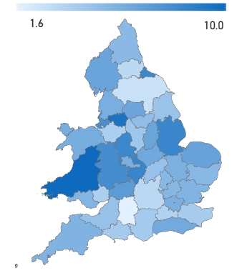
 |  |  | Rate of Homicides per year per million |  | Time period 01/01/24 to 30/09/25
 |  |  | from 01/04/23 - 30/09/25
 |  |  |  |  | Area | per mill pop
 |  |  |  |  | West Yorkshire | 8
 |  |  |  |  | Greater Manchester | 7.4
 |  |  |  |  | West Midlands | 10
 |  |  |  |  | South Yorkshire | 7.4

 | After the increases seen in 2018/19 and the subsequent drop during the pandemic West Yorkshire has seen a levelling of homicide numbers althought the last quarter has seen an increase in all homicides |  |  | The comparison with other forces shows that other areas have seen a slowdown and we have now gone from being below everyone to above all but the West Midlands

Knife Crime

Knife Crime - Rolling 12 months data
 | 2682
 | 2608
 | 2620
 | 2597
 | 2590
 | 2583
 | 2600
 | 2600
 | 2599
 | 2598
 | 2547
 | 2521
 | 2471
 | 2428
 | 2415
 | 2435
 | 2426
 | 2394
 | 2366
 | 2352
 | 2304
 | 2248
 | 2212
 | 2189
 | 2224
 | 2254
 | 2262
 | 2238
 | 2245
 | 2239
 | 2272
 | 2301
 | 2335
 | 2362
 | 2332
 | 2357
 | 2365
 | 2339
 | 2341
 | 2321
 | 2304
 | 2295
 | 2254
 | 2256
 | 2200
 | 2208
 | 2264
 | 2247
 | 2258
 | 2287
...

 | The numbers of knife crime offences have decreased with the last 12 months figure showing a -3.1% decrease in comparison to the previous 12 months. |  | The current national figures are up to June 2025 when West Yorkshire were showing a 12.7% decrease in comparison to before the pandemic. Greater Manchester are now included in these figures which show the increases seen there.

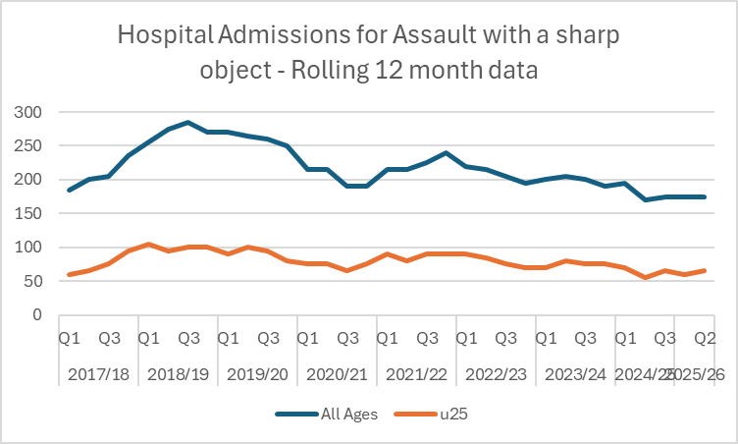
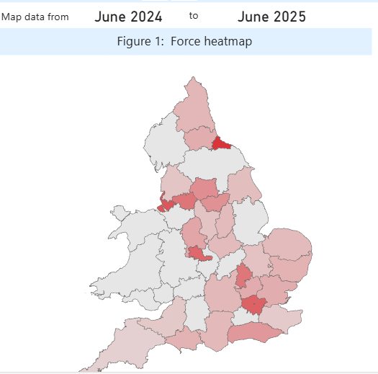
Hospital Admissions
 |  |  |  |  | Under 25's

 |  |  |  |  | Area | last 12 months
 |  |  |  |  | West Midlands | 121
 |  |  |  |  | South Yorkshire | 82
 |  |  |  |  | Greater Manchester | 108
 |  |  |  |  | West Yorkshire | 84

 | The latest Hospital Admissions quarterly data is up to the end of June 2025 and this shows a levelling out in numbers for both all ages and for under 25's | The u'25 map compares this year to last year and West Yorkshire is shown here as being lower than our most similar forces for this metric apart from South Yorkshire

Knife Enabled Robberies

 | This table shows the number of selected serious offences that involved the use of a knife. The % compares the number of each offence type with the overall number of selected serious offences. West Yorkshire has a high number of Robberies involving a knife - but still lower than England and Wales average - and is lower than E&W average in all offence types included in this table.

Serious Violence Duty

 | At the most recent co-production event on 26th November 2025 we discussed the main priorities from the consultation and the synergy with the issues discussed at the first co-production event. This event was with the Voluntary, Community and Social Enterprise Sector and they were able to give us insights into their thoughts on taking the strategy forward

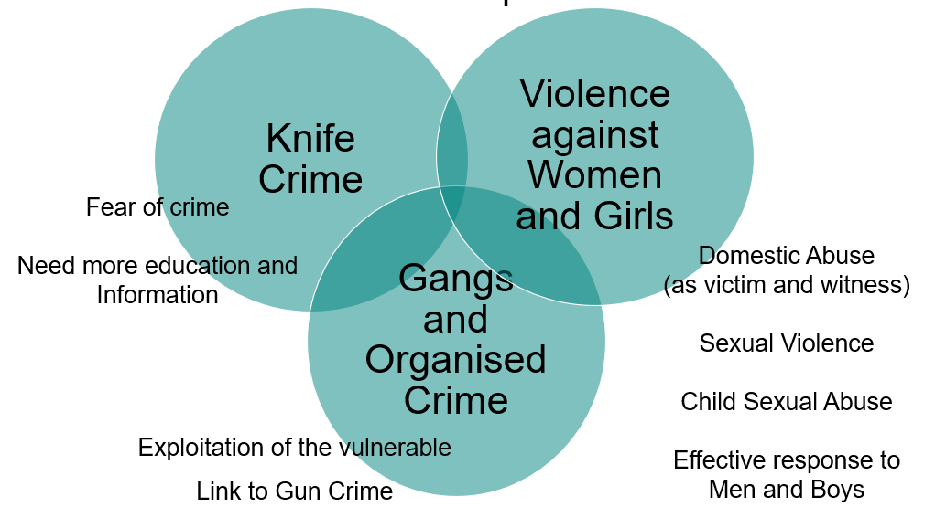

Confidence and Satisfaction
Confidence Measures

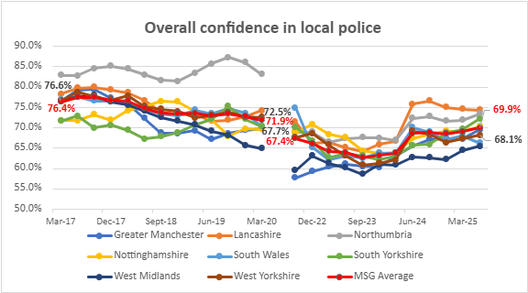
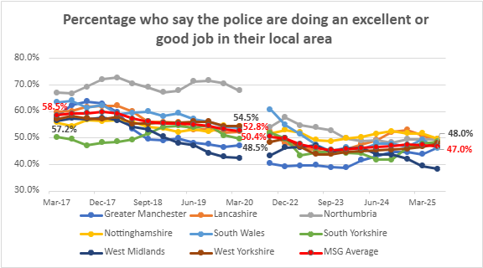

 | The first graph relates to overall confidence in local police and is the measure that is usually quoted from this data. This measure saw a bit of a rally at the start of 2024, but is still below MSG average – but this follows other areas in pattern showing it is a national rather than local problem.Regarding the second graph above, West Yorkshire is mirroring MSG average and on a stable trend.
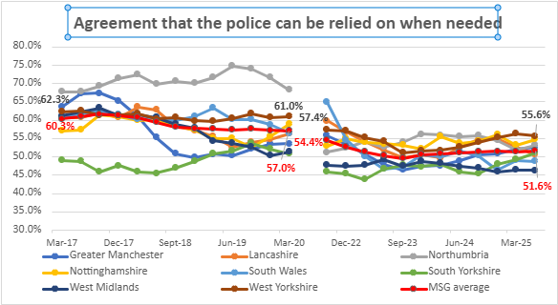
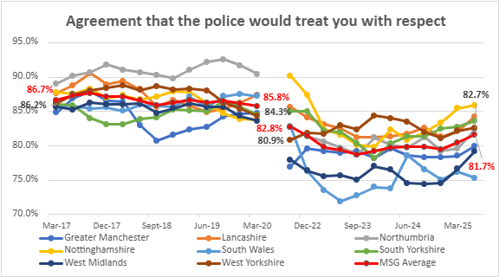

Agreement that the police can be relied on when needed has currently stabilised after an increasing trend with West Yorkshire still highest and well above MSG average. One area where we previously have had high confidence is in the agreement that the police would treat you with respect, this had been on a decreasing trend but recent increases are continuing along with the other areas and is still above MSG average.

Victim Satisfaction

 | Overall Satisfaction
Dec-18 | 0.738
Mar-19 | 0.734
Jun-19 | 0.734
Sept-19 | 0.75
Dec-19 | 0.749
Mar-20 | 0.749
Jun-20 | 0.761
Sept-20 | 0.77
Dec-20 | 0.774
Mar 21 | 0.777
Jun 21 | 0.769
44440 | 0.759
44531 | 0.746
44621 | 0.726
44713 | 0.715
44805 | 0.712
44896 | 0.709
44986 | 0.718
45078 | 0.715
45170 | 0.716
45261 | 0.719
45352 | 0.718
45444 | 0.719
45536 | 0.728
45627 | 0.735
45717 | 0.739
45809 | 0.739
45901 | 0.736
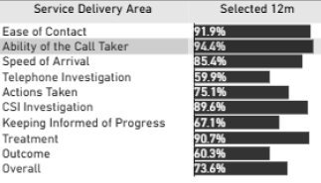
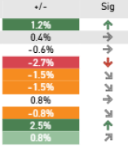

Victim satisfaction results continue to move in the right direction. The latest result for the 12 months to September 2025 now stands at 73.6% which is 0.8 percentage points higher than 12 months ago and this improvement is statistically significant. Satisfaction levels with treatment (90.7%), Ease of Contact (91.9%) and the ability of the call taker (94.4%) remain particularly high.. |  | Out of the ten service delivery areas assessed through the survey programme, one is showing a significant deterioration in comparison to the previous year (Telephone Investigation 59.9%, down 2.7%). Actions Taken, CSI Investigation, and treatment are also seeng small declines in satisfaction.

Calls for Service
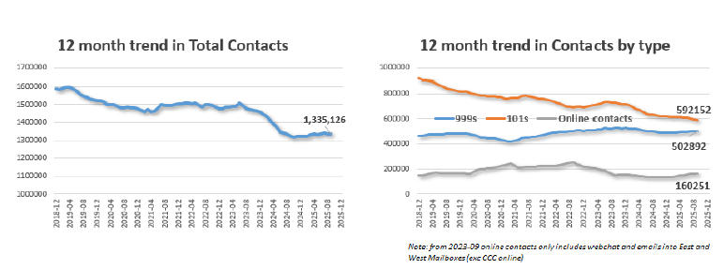

The Force continues report excellent call handling times for Emergency callers with 999 calls answered on average in just 6.3 seconds over the past quarter which is the 12th fastest in the country (using National performance data which is impacted by BT transfer times). Over the last 12-month period the Force is ranked 9th fastest nationally. In the latest quarter the Force answered just 0.5% of 999s in over 60 seconds (15th best nationally) and answered 90.3% of 999s in under 10 seconds (19th best nationally).

Attendance and Response to Incidents
Total Incidents
 | Emergency Response Incidents | Priority Incidents | Standard Incidents
45017 | 8856 | 8642 | 28782
45047 | 9657 | 9406 | 32446
45078 | 9704 | 9109 | 31989
45108 | 9201 | 8846 | 30534
45139 | 9193 | 8829 | 29574
45170 | 8788 | 8171 | 28940
45200 | 8432 | 8658 | 29137
45231 | 7475 | 7853 | 26264
45261 | 8418 | 7848 | 24891
45292 | 7522 | 7373 | 25225
45323 | 7363 | 7456 | 25405
45352 | 8127 | 8106 | 27035
45383 | 7727 | 8065 | 27999
45413 | 8895 | 8745 | 30297
45444 | 8333 | 8499 | 29283
45474 | 8815 | 8826 | 29189
45505 | 8872 | 8830 | 28935
45536 | 7823 | 8109 | 26256
45566 | 8106 | 8393 | 28278
45597 | 7681 | 8043 | 25961
45627 | 8338 | 7944 | 25234
45658 | 7572 | 7998 | 24968
45689 | 7400 | 9209 | 20617
45717 | 8670 | 9885 | 25524
45748 | 8572 | 9495 | 25873
45778 | 9098 | 9948 | 27165
45809 | 9300 | 9547 | 27246
45839 | 9738 | 9322 | 29013
45870 | 9858 | 9058 | 27522
45901 | 8293 | 8127 | 26030

Emergency Response and numbers in target (Response in 15 minutes or less)
 | Emergency Response Incidents | Incidents in Target
45017 | 8856 | 7569
45047 | 9657 | 8013
45078 | 9704 | 7880
45108 | 9201 | 7730
45139 | 9193 | 7888
45170 | 8788 | 7353
45200 | 8432 | 7176
45231 | 7475 | 6535
45261 | 8418 | 7297
45292 | 7522 | 6699
45323 | 7363 | 6462
45352 | 8127 | 7081
45383 | 7727 | 6726
45413 | 8895 | 7652
45444 | 8333 | 7132
45474 | 8815 | 7464
45505 | 8872 | 7492
45536 | 7823 | 6580
45566 | 8106 | 6886
45597 | 7681 | 6589
45627 | 8338 | 7292
45658 | 7572 | 6633
45689 | 7400 | 6295
45717 | 8670 | 7234
45748 | 8572 | 7236
45778 | 9098 | 7557
45809 | 9300 | 7426
45839 | 9738 | 7598
45870 | 9858 | 7921
45901 | 8293 | 6590
Priority Incidents and numbers in target (target = 60 mins or less)
 | Priority Incidents | Incidents in Target
45017 | 8642 | 7070
45047 | 9406 | 7481
45078 | 9109 | 7077
45108 | 8846 | 7328
45139 | 8829 | 7554
45170 | 8171 | 6743
45200 | 8658 | 7380
45231 | 7853 | 7050
45261 | 7848 | 7034
45292 | 7373 | 6636
45323 | 7456 | 6605
45352 | 8106 | 7069
45383 | 8065 | 6973
45413 | 8745 | 7445
45444 | 8499 | 7258
45474 | 8826 | 7482
45505 | 8830 | 7440
45536 | 8109 | 6797
45566 | 8393 | 6990
45597 | 8043 | 6784
45627 | 7944 | 6823
45658 | 7998 | 6948
45689 | 9209 | 6223
45717 | 9885 | 6689
45748 | 9495 | 6607
45778 | 9948 | 6940
45809 | 9547 | 6277
45839 | 9322 | 5687
45870 | 9058 | 5762
45901 | 8127 | 5071

In the 12 months to September 2025 83.1% of the incidents were attended in the target time compared to 86.2%% the previous 12 months |  | In the same time period 71.8% of Priority incidents were attended in the target time compared to 86.6% the previous 12 months.

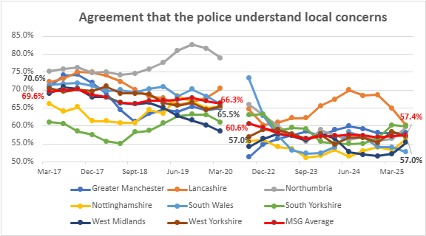
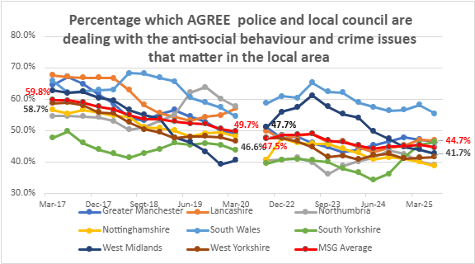

Although Lancashire had a high number that believe the police understand local concerns, this has dropped recently and there seems to be less of a link with dealing with these concerns. It appears that the public agree that WYP understand local concerns, but there is less agreement that they deal with them – and again we are low for this measure.

Other Confidence Measures

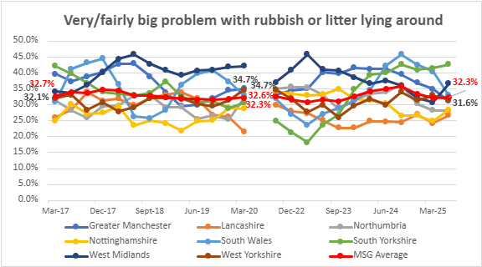
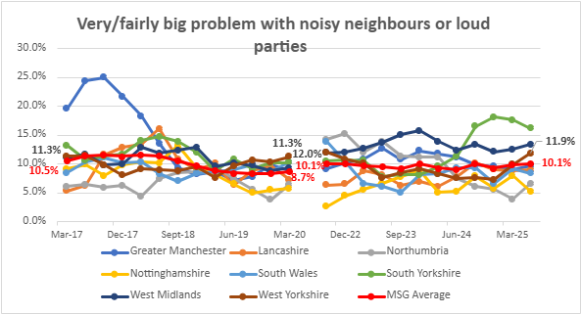

 | Litter has traditionally been a council matter and West Yorkshire currently below MSG average, The problem with teenagers hanging around is currently on an increasing trend but still below MSG average. Problems with noisy neighbours or loud parties was declining in West Yorkshire after being top of the pile pre-pandemic. West Yorkshire is seeing an increase currently and is above MSG average.
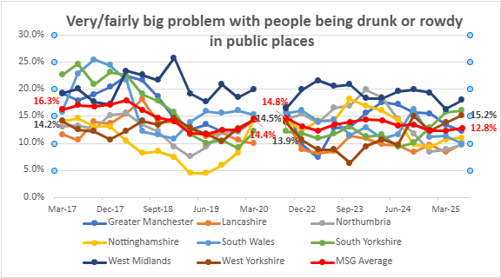
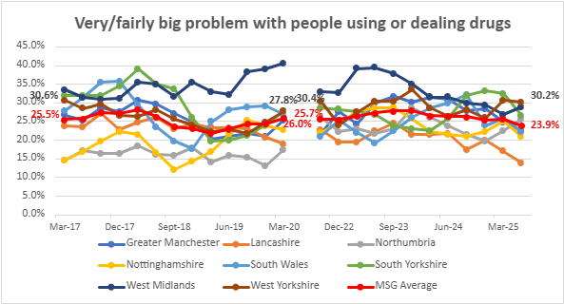

For people being drunk or rowdy in public places WYP did have the lowest figure in Sept 23 but recent increases means we are now above MSG average. The problem with people using or dealing drugs had been stable but recently increased to be the highest of all the MSG and well above average.

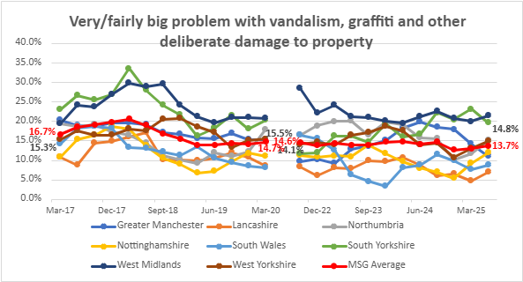
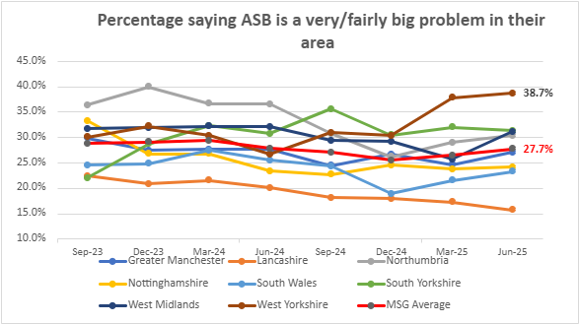

The above graph looks at criminal damage including vandalism and graffiti. West Yorkshire is again on an increasing trend and now sits above MSG average. |  | The above graph looks at residents who feel that ASB is either a very or fairly big problem in their area. This is a newer data set and West Yorkshire has seen another increase in the last quarter and is over 10% above the MSG average.

Crimes and ASB
Total Crime

Rolling 12 Months Total Crime
 | Rolling 12 Months
43800 | 292081
43831 | 291341
43862 | 291125
43891 | 288183
43922 | 282661
43952 | 278143
43983 | 275109
44013 | 272451
44044 | 270820
44075 | 268806
44105 | 266020
44136 | 262414
44166 | 258882
44197 | 253752
44228 | 249981
44256 | 249927
44287 | 254026
44317 | 257633
44348 | 261182
44378 | 263018
44409 | 264076
44440 | 266741
44470 | 270534
44501 | 275092
44531 | 279501
44562 | 284794
44593 | 289407
44621 | 294069
44652 | 297531
44682 | 302517
44713 | 304387
44743 | 306927
44774 | 310166
44805 | 311102
44835 | 311398
44866 | 311469
44896 | 310595
44927 | 311936
44958 | 313851
44986 | 314065
45017 | 314244
45047 | 313214
45078 | 312604
45108 | 310484
45139 | 307541
45170 | 306297
45200 | 304624
45231 | 301625
45261 | 300415
45292 | 296888
...
Total Crime per 1000 Population
 | Northumbria | Greater Manchester | Lancashire | South Yorkshire | West Yorkshire | Nottinghamshire | West Midlands | South Wales
43800 | 102.41540353 |  | 96.799357143 | 106.03253426 | 124.33004949 | 95.03474795 | 89.035064256 | 85.700651631
43891 | 100.54980021 |  | 93.827905146 | 106.83446589 | 122.6551466 | 93.729136175 | 89.389986462 | 84.898480441
43983 | 94.454114104 | 97.048968636 | 87.986834744 | 104.18634504 | 117.06575398 | 87.440206734 | 85.87745685 | 80.111329793
44075 | 93.852284293 | 97.014803093 | 85.591134211 | 102.28557789 | 114.44361182 | 84.313196715 | 87.22410371 | 78.681273184
44166 | 91.745534471 | 94.629490372 | 81.277567692 | 98.876276941 | 110.2674185 | 79.064567564 | 90.009985831 | 75.926949147
44256 | 87.433226948 | 96.225160691 | 78.200365426 | 95.04417901 | 106.38101402 | 74.282851714 | 92.584286308 | 73.106411738
44348 | 91.142322731 | 107.1504647 | 83.391267508 | 98.807144905 | 111.38657363 | 77.775537758 | 103.77788111 | 75.885090119
44440 | 89.191730817 | 112.39069205 | 84.271214189 | 100.2494575 | 113.79339545 | 78.435325526 | 111.95618031 | 75.300585874
44531 | 90.754000855 | 119.60485109 | 86.791595595 | 103.19229913 | 119.14491442 | 82.291942124 | 119.03953593 | 77.117267686
44621 | 93.501965448 | 123.39722639 | 91.055550877 | 108.11158929 | 125.25601205 | 86.995984546 | 124.01667689 | 79.569445649
44713 | 94.024334377 | 125.8609804 | 91.44656576 | 112.22094308 | 129.61603617 | 86.13983137 | 126.48638676 | 80.022284224
44805 | 96.962314122 | 127.64107493 | 90.27613223 | 114.5823479 | 132.58498877 | 90.414488102 | 127.45787914 | 80.407387281
44896 | 96.989261725 | 128.0043453 | 87.201541082 | 115.8965843 | 132.31945538 | 90.580307779 | 125.75185211 | 80.281810197
44986 | 98.688342674 | 129.68542948 | 85.108077427 | 116.72689644 | 133.78797415 | 91.710499789 | 125.92228335 | 81.701211781
45078 | 100.90150098 | 128.94110871 | 82.933669123 | 116.93138172 | 133.2820139 | 92.337123622 | 123.56642292 | 83.243146155
45170 | 101.38448495 | 125.92129305 | 82.35791766 | 116.03120984 | 130.65987174 | 92.421778931 | 119.71714586 | 84.716583938
45261 | 101.49296633 | 123.83649766 | 83.950699486 | 114.0664046 | 128.10113418 | 90.581180514 | 117.19016835 | 86.177083476
45352 | 99.740681139 | 119.4580787 | 84.473575815 | 112.5076591 | 123.14834082 | 88.139267583 | 112.53948724 | 86.845305776
45444 | 97.869550106 | 116.31275696 | 85.785662483 | 111.04860928 | 119.94832312 | 85.760191583 | 110.84169029 | 87.449597925
45536 | 97.225571479 | 114.78820675 | 86.386872344 | 110.49191446 | 118.52023011 | 85.083821847 | 110.0790362 | 85.661836896
45627 | 97.109489495 | 112.93943251 | 86.004343594 | 110.55959109 | 117.7887367 | 85.393642823 | 107.59560953 | 83.549097595
45717 | 95.612170091 | 111.25799971 | 84.322130985 | 108.81528065 | 117.04873261 | 85.49837104 | 105.95850942 | 84.062060956
45809 | 95.219702429 | 110.48474282 | 83.839726982 | 107.52287543 | 116.78490136 | 87.028275746 | 104.02238307 | 83.56431906

Total Crime is continuing to decline in comparison to the 12 months before and is now below the baseline before the pandemic in December 2019. |  |  | When comparing with other forces, West Yorkshire still has a high number of crime recorded due to the outstanding rating for Crime Data Integrity, but the pattern of increases and decreases matches other areas which indicates a national change rather than local.

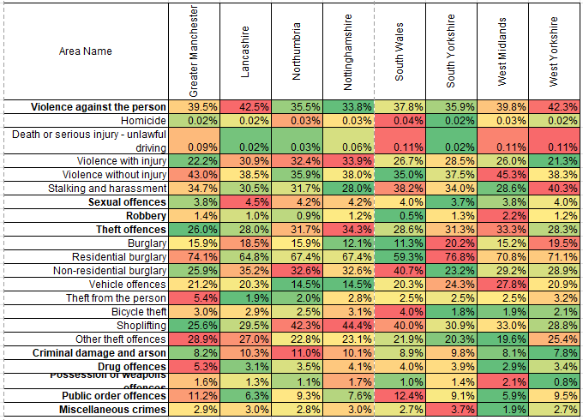

 | The above table looks at the percentage of crime for each category and compares this with our most similar forces. Please note that the bold text shows the category groups with the breakdown for these groups underneath.

Neighbourhood Crime by type
 | Burglary - residential | Theft from the person | - Theft of motor vehicle | - Theft from motor vehicle | - Vehicle intereference | Robbery of personal | Total Neighbourhood crime
43800 | 16980 | 4033 | 5545 | 13118 | 3285 | 3171 | 46169
43831 | 16626 | 3994 | 5584 | 13100 | 3256 | 3125 | 45665
43862 | 16369 | 3953 | 5600 | 13065 | 3274 | 3056 | 45273
43891 | 15764 | 3803 | 5568 | 12826 | 3255 | 2964 | 44137
43922 | 15126 | 3570 | 5369 | 12337 | 3206 | 2890 | 42470
43952 | 14753 | 3323 | 5249 | 11723 | 3128 | 2748 | 40862
43983 | 14224 | 3125 | 5177 | 11145 | 3044 | 2662 | 39319
44013 | 13689 | 2951 | 5063 | 10526 | 2946 | 2584 | 37716
44044 | 13325 | 2737 | 4963 | 9871 | 2804 | 2525 | 36158
44075 | 13057 | 2631 | 4925 | 9437 | 2711 | 2455 | 35175
44105 | 12712 | 2473 | 4867 | 8928 | 2610 | 2387 | 33931
44136 | 12308 | 2263 | 4821 | 8417 | 2462 | 2324 | 32559
44166 | 11987 | 2102 | 4760 | 7826 | 2320 | 2300 | 31231
44197 | 11332 | 1934 | 4589 | 7309 | 2202 | 2196 | 29515
44228 | 10895 | 1729 | 4458 | 6838 | 2155 | 2102 | 28150
44256 | 10645 | 1651 | 4430 | 6567 | 2084 | 2042 | 27368
44287 | 10468 | 1712 | 4447 | 6558 | 2040 | 2053 | 27220
44317 | 10308 | 1788 | 4477 | 6732 | 2042 | 2077 | 27391
44348 | 10220 | 1858 | 4478 | 6820 | 2030 | 2078 | 27432
44378 | 10079 | 1871 | 4604 | 6861 | 2064 | 2075 | 27512
44409 | 9776 | 1924 | 4713 | 6851 | 2100 | 2077 | 27409
44440 | 9533 | 1981 | 4841 | 6830 | 2160 | 2054 | 27374
44470 | 9496 | 2077 | 4912 | 6821 | 2162 | 2079 | 27506
44501 | 9300 | 2210 | 4961 | 6883 | 2189 | 2098 | 27601
44531 | 9233 | 2330 | 5028 | 7041 | 2272 | 2096 | 27965
44562 | 9295 | 2539 | 5175 | 7158 | 2354 | 2179 | 28677
44593 | 9264 | 2663 | 5338 | 7190 | 2348 | 2217 | 28977
44621 | 9307 | 2754 | 5450 | 7175 | 2413 | 2271 | 29333
44652 | 9395 | 2884 | 5697 | 7265 | 2462 | 2328 | 29981
44682 | 9653 | 3012 | 5995 | 7349 | 2536 | 2394 | 30876
44713 | 9657 | 3121 | 6193 | 7321 | 2620 | 2451 | 31299
44743 | 9723 | 3209 | 6253 | 7288 | 2574 | 2504 | 31481
44774 | 9799 | 3228 | 6335 | 7370 | 2586 | 2517 | 31748
44805 | 9890 | 3252 | 6456 | 7547 | 2581 | 2530 | 32131
44835 | 9786 | 3248 | 6645 | 7730 | 2602 | 2555 | 32464
44866 | 9885 | 3317 | 6749 | 7810 | 2642 | 2555 | 32888
44896 | 9933 | 3324 | 6788 | 7786 | 2559 | 2588 | 32894
44927 | 10064 | 3228 | 6871 | 7816 | 2556 | 2604 | 33038
44958 | 10192 | 3297 | 6898 | 7860 | 2558 | 2670 | 33393
44986 | 10415 | 3364 | 7005 | 7860 | 2555 | 2690 | 33795
45017 | 10661 | 3351 | 7042 | 7895 | 2610 | 2758 | 34219
45047 | 10661 | 3375 | 6999 | 7820 | 2591 | 2765 | 34121
45078 | 10728 | 3346 | 6964 | 7884 | 2557 | 2770 | 34150
45108 | 10763 | 3310 | 6949 | 7982 | 2614 | 2784 | 34295
45139 | 10909 | 3323 | 6949 | 7984 | 2625 | 2761 | 34459
45170 | 10895 | 3316 | 6806 | 7801 | 2587 | 2774 | 34153
45200 | 11011 | 3298 | 6710 | 7774 | 2560 | 2766 | 34075
45231 | 10922 | 3252 | 6747 | 7631 | 2540 | 2794 | 33829
45261 | 10930 | 3218 | 6787 | 7715 | 2601 | 2782 | 33974
45292 | 10916 | 3233 | 6741 | 7858 | 2636 | 2779 | 34101
...
 |  |  |  | Force | Per 100,000 pop
 |  |  |  |  | Baseline (Jan 2019 – Dec 2019) | Last 12 months (to Apr 25) | % change
 |  |  |  | Greater Manchester | 2199 | 1221 | -44.5%
 |  |  |  | Lancashire | 1250 | 856 | -31.5%
 |  |  |  | Northumbria | 1041 | 884 | -15.1%
 |  |  |  | Nottinghamshire | 1444 | 796 | -44.9%
 |  |  |  | South Wales | 993 | 739 | -25.6%
 |  |  |  | South Yorkshire | 1933 | 1512 | -21.8%
 |  |  |  | West Midlands | 2071 | 1613 | -22.1%
 |  |  |  | West Yorkshire | 1915 | 1355 | -29.2%

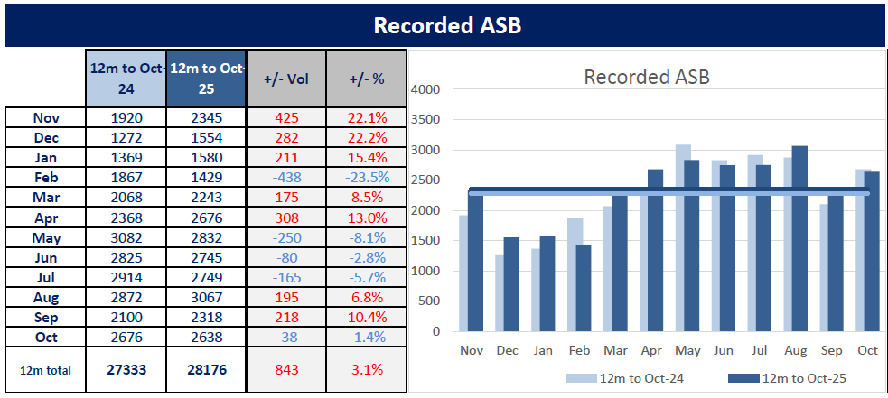

Crimes linked to ASB - Rolling 12 months data
 | Criminal Damage | Public Order | Stalking and Harassment | Arson
43800 | 28616 | 32333 | 39524 | 1539
43831 | 28500 | 32333 | 39549 | 1534
43862 | 28526 | 32333 | 39729 | 1503
43891 | 28460 | 32333 | 39545 | 1488
43922 | 27652 | 32333 | 39620 | 1433
43952 | 27133 | 32333 | 39756 | 1436
43983 | 26993 | 32333 | 40381 | 1427
44013 | 26803 | 32333 | 40780 | 1443
44044 | 26803 | 32333 | 41361 | 1432
44075 | 26694 | 32333 | 41551 | 1464
44105 | 26479 | 32333 | 41612 | 1467
44136 | 26261 | 32333 | 41992 | 1535
44166 | 25856 | 32333 | 42382 | 1551
44197 | 25300 | 32149 | 42635 | 1513
44228 | 24839 | 32374 | 43080 | 1531
44256 | 24827 | 32963 | 44052 | 1545
44287 | 25521 | 33896 | 44992 | 1574
44317 | 25692 | 34356 | 45950 | 1561
44348 | 25806 | 35296 | 46389 | 1600
44378 | 25862 | 35966 | 46744 | 1585
44409 | 25755 | 36239 | 47374 | 1568
44440 | 25661 | 37130 | 48177 | 1488
44470 | 25739 | 38055 | 49209 | 1467
44501 | 25935 | 39032 | 50327 | 1445
44531 | 26270 | 39900 | 50843 | 1465
44562 | 26687 | 40811 | 51545 | 1477
44593 | 27018 | 41388 | 52405 | 1462
44621 | 27117 | 41972 | 52913 | 1459
44652 | 27160 | 42337 | 53160 | 1445
44682 | 27642 | 43056 | 53606 | 1461
44713 | 27764 | 43019 | 54009 | 1453
44743 | 27832 | 43384 | 54554 | 1492
44774 | 28088 | 44170 | 54830 | 1580
44805 | 28037 | 43940 | 55011 | 1587
44835 | 27970 | 43678 | 54682 | 1600
44866 | 27597 | 43391 | 54582 | 1555
44896 | 27216 | 43031 | 54538 | 1517
44927 | 27078 | 42770 | 54942 | 1515
44958 | 27122 | 42782 | 54963 | 1557
44986 | 27004 | 42375 | 55110 | 1533
45017 | 26957 | 42049 | 55293 | 1530
45047 | 26715 | 41541 | 55231 | 1546
45078 | 26548 | 40758 | 54897 | 1554
45108 | 26258 | 39297 | 54416 | 1527
45139 | 25837 | 37772 | 53785 | 1452
45170 | 25588 | 37086 | 53394 | 1467
45200 | 25293 | 36359 | 53147 | 1469
45231 | 24969 | 35420 | 52298 | 1482
45261 | 24806 | 34555 | 51745 | 1504
45292 | 24518 | 33714 | 50544 | 1482
...
 |  | After a period of change, ASB incidents are now stable and comparable with the previous years. As well as incidents it is right to look also at crimes linked to ASB and the chart to the left shows the changes in these offences, with numbers rising up to the middle of 2023 then on a downward trend until recently when numbers have levelled out. This pattern is the same as the overall crime pattern above and points to this as a change in recording or something similar rather than an actual change in crime patterns. Stalking and Harassment has increased recently and will be looked at in more detail under supporting victims. We can see an undulating picture for arson offences.

Community Measures

Safer Streets Initiative

The Winter initiative has now been launched with letters sent to PCC's and Mayors, all Local authorities and also retail premises Again this initiative will be targetting town centres in the period between 1st December 2025 and 31st Jan 2026

 | This initiative is to is designed to sustain the momentum achieved over the summer whilst adapting to seasonal pressures in town centres - busier retail activity, festive events, increased socialising, and heightened risks of shop theft, crime and disorder as part of the night-time economy and violence against women and girls – guided by local intelligence and partnership insight. The Shared Priorities The Winter of Action will build on the summer’s joint working across interconnected issues, with joint plans with local community safety partners. In light of the likely winter threats and harms in town centres, the broad focus will be as follows: • Retail crime: Tackle theft, abuse of retail workers and organised criminality, with a clear focus on prolific offenders and partnership with retailers. • Street crime and anti-social behaviour: Maintain visible patrols and public confidence, using enforcement and prevention to address persistent issues. • Night-time economy safety and VAWG: for example, tackling alcohol-related disorder, spiking, and violence against women and girls

Supporting Victims
Overall VAWG Offences
VAWG offences include all offences in the following categories Rape - Other sexual Offences - Stalking and Harassment

Overall VAWG Offences
 | Rape | Other sexual offences | Stalking and Harassment
43800 | 3469 | 4945 | 39524
43831 | 3439 | 4894 | 39549
43862 | 3463 | 4888 | 39729
43891 | 3400 | 4921 | 39545
43922 | 3340 | 4767 | 39620
43952 | 3264 | 4687 | 39756
43983 | 3296 | 4587 | 40381
44013 | 3344 | 4556 | 40780
44044 | 3329 | 4589 | 41361
44075 | 3309 | 4588 | 41551
44105 | 3337 | 4588 | 41612
44136 | 3202 | 4543 | 41992
44166 | 3185 | 4526 | 42382
44197 | 3135 | 4403 | 42635
44228 | 3078 | 4319 | 43080
44256 | 3141 | 4338 | 44052
44287 | 3239 | 4506 | 44992
44317 | 3341 | 4691 | 45950
44348 | 3338 | 4847 | 46389
44378 | 3287 | 4939 | 46744
44409 | 3370 | 4958 | 47374
44440 | 3387 | 5009 | 48177
44470 | 3402 | 5070 | 49209
44501 | 3541 | 5186 | 50327
44531 | 3546 | 5249 | 50843
44562 | 3554 | 5408 | 51545
44593 | 3651 | 5546 | 52405
44621 | 3668 | 5661 | 52913
44652 | 3670 | 5719 | 53160
44682 | 3658 | 5724 | 53606
44713 | 3656 | 5728 | 54009
44743 | 3655 | 5749 | 54554
44774 | 3656 | 5804 | 54830
44805 | 3661 | 5845 | 55011
44835 | 3666 | 5876 | 54682
44866 | 3615 | 5878 | 54582
44896 | 3595 | 5921 | 54538
44927 | 3661 | 5956 | 54942
44958 | 3656 | 5996 | 54963
44986 | 3625 | 5944 | 55110
45017 | 3607 | 5898 | 55293
45047 | 3580 | 5884 | 55231
45078 | 3543 | 5891 | 54897
45108 | 3576 | 5892 | 54416
45139 | 3600 | 5840 | 53785
45170 | 3661 | 5864 | 53394
45200 | 3651 | 5867 | 53147
45231 | 3655 | 5822 | 52298
45261 | 3704 | 5795 | 51745
45292 | 3690 | 5735 | 50544
...
 |  | Total VAWG offences
 |  | Force | Baseline | Last 12 mths | Difference | % change
 |  | Nottinghamshire | 1135 | 1132 | -3 | -0.3%
 |  | Lancashire | 1349 | 1427 | 78 | 5.8%
 |  | Northumbria | 1338 | 1416 | 78 | 5.8%
 |  | South Yorkshire | 1513 | 1653 | 140 | 9.3%
 |  | South Wales | 1361 | 1498 | 137 | 10.1%
 |  | West Yorkshire | 1910 | 2371 | 461 | 24.1%
 |  | West Midlands | 955 | 1556 | 601 | 62.9%
 |  | Greater Manchester | 1108 | 1870 | 762 | 68.8%

Rape Offences
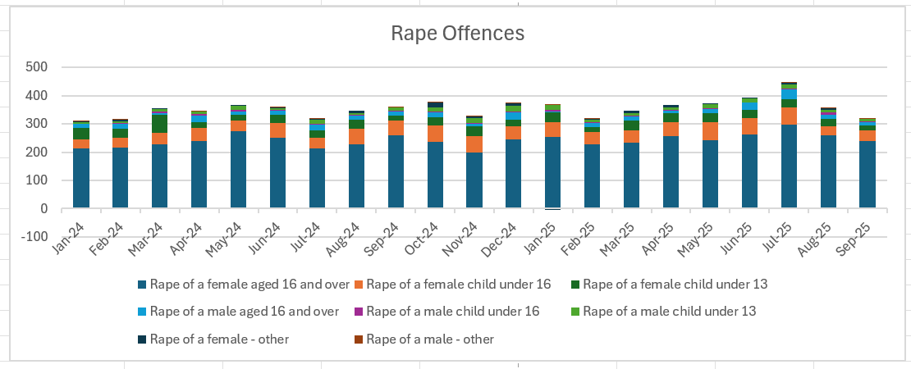
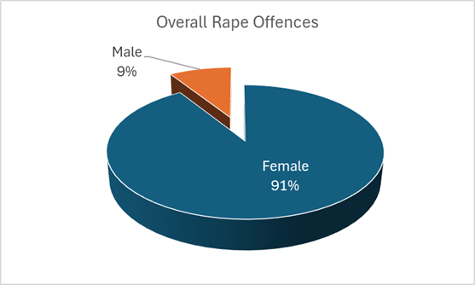

Stalking and Harassment

Domestic Abuse

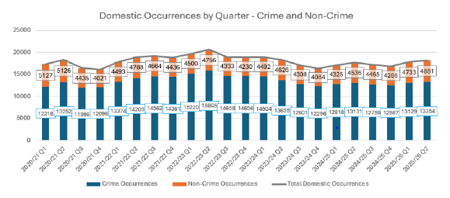

Mental Health Incidents
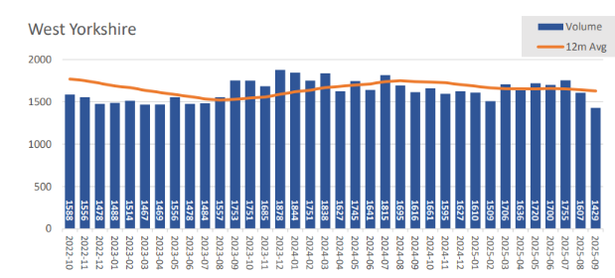

Hate Crime
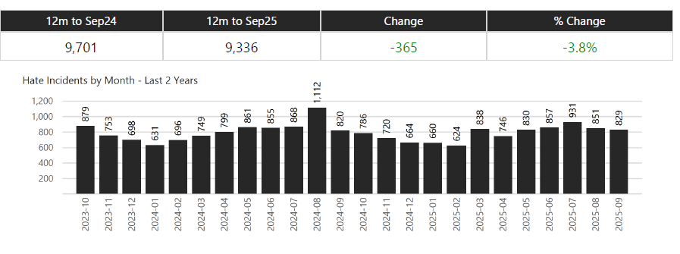

Missing Persons
Missing Persons over time
 | Children | Adult
43617 | 911 | 552
43647 | 1009 | 554
43678 | 765 | 456
43709 | 941 | 517
43739 | 931 | 450
43770 | 724 | 418
43800 | 678 | 403
43831 | 788 | 425
43862 | 638 | 365
43891 | 664 | 365
43922 | 459 | 292
43952 | 549 | 332
43983 | 521 | 349
44013 | 510 | 362
44044 | 515 | 375
44075 | 570 | 369
44105 | 592 | 360
44136 | 573 | 296
44166 | 496 | 304
44197 | 509 | 315
44228 | 386 | 281
44256 | 542 | 346
44287 | 544 | 385
44317 | 631 | 332
44348 | 715 | 317
44378 | 654 | 338
44409 | 528 | 335
44440 | 661 | 349
44470 | 722 | 331
44501 | 633 | 315
44531 | 547 | 346
44562 | 583 | 360
44593 | 483 | 323
44621 | 645 | 304
44652 | 553 | 301
44682 | 616 | 327
44713 | 613 | 306
44743 | 563 | 358
44774 | 466 | 334
44805 | 504 | 321
44835 | 680 | 308
44866 | 571 | 299
44896 | 448 | 273
44927 | 625 | 268
44958 | 600 | 269
44986 | 706 | 296
45017 | 631 | 283
45047 | 759 | 325
45078 | 705 | 327
45108 | 603 | 268
...
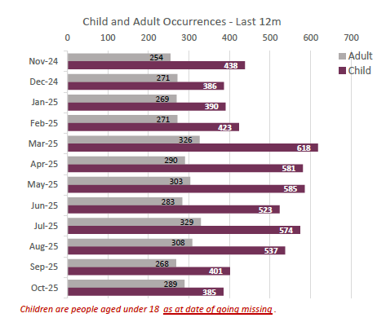

Community Measures
For more information see | Children in need: 2024 to 2025 - GOV.UK
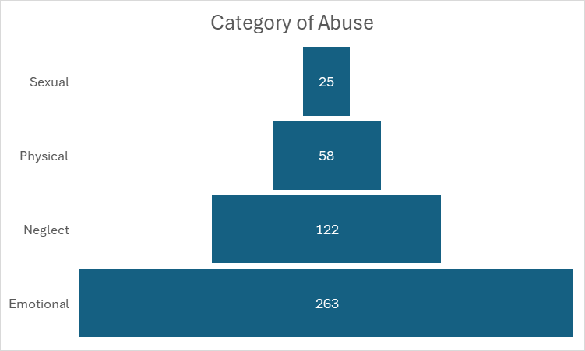
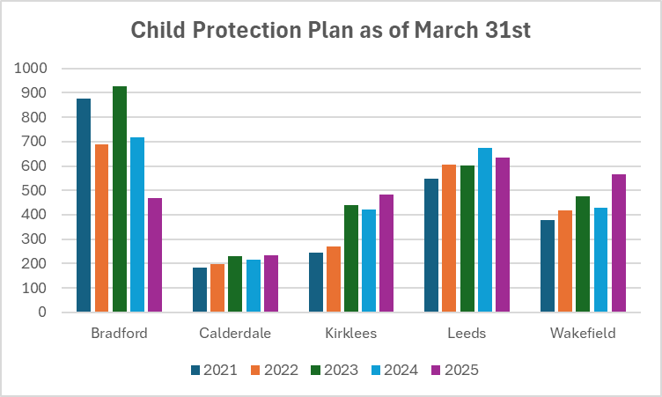

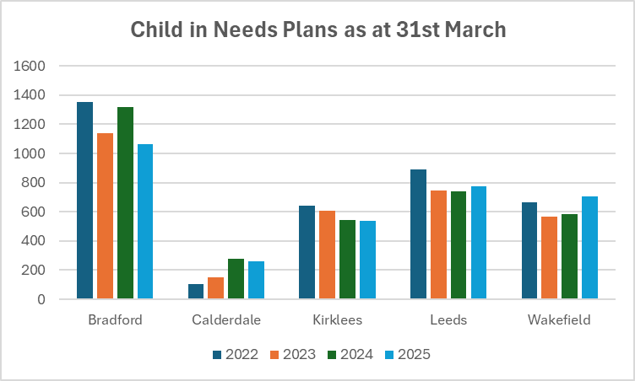
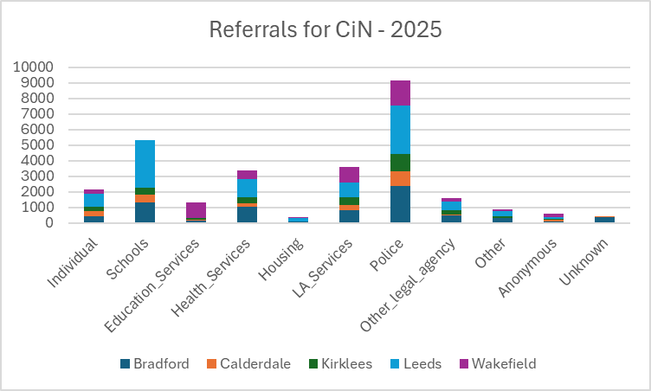

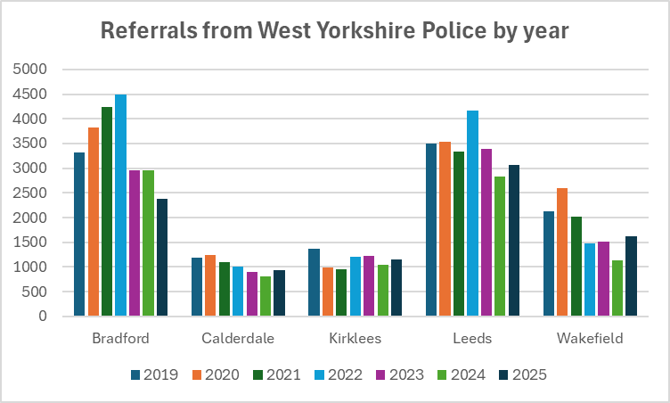
 |  | Child Protection Plans have seen an increase in 2025 in all areas apart from Leeds and Bradford The most common category of abuse is emotional, followed by neglect with physical and sexual abuse much smaller. Child in Need plan numbers are different with Bradford Calderdale and Kirklees seeing a decrease but Leeds and Wakefield seeing increases The main point of referral for Child in Need plans is by West Yorkshire Police. Bradford clearly shows the increases as the police started to use the public protection notice facility on their crime system and in 2022 this was flagged for joint work between firstly Bradford Council and the Police and then Leeds - this involves closer adjoining of the data systems so that backgrounds for referrals and other work can be seen - this has resulted in a decrease in referrals recorded since the peak in 2022.

Drug and Alcohol Treatment Services
For this iteration we are looking at the numbers in treatment and those that are successful
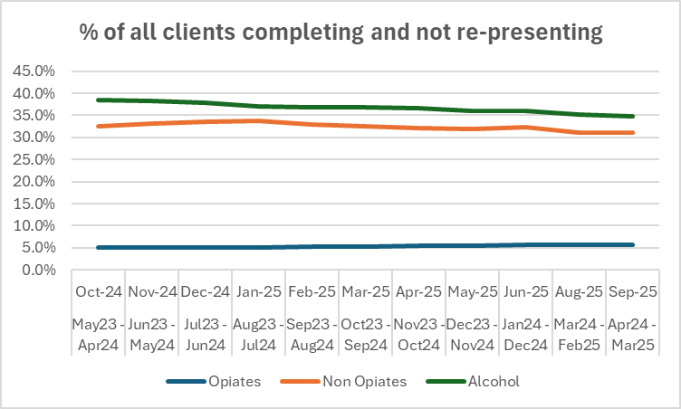
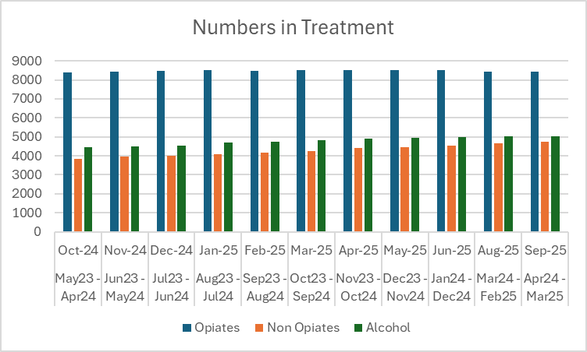

The top date in the chart is the reporting date and the dates below show the period of time i.e. rolling 12 month data.

Investigations
VAWG Positive Outcomes
Positive Outcome Rate for VAWG Offences
 | Rape | Other sexual offences | Stalking and Harassment
43800 | 0.041510521764 | 0.091203235592 | 0.0032391756909
43831 | 0.042163419599 | 0.089906007356 | 0.0031987479841
43862 | 0.042159976899 | 0.088584288052 | 0.003209871834
43891 | 0.042941176471 | 0.08575492786 | 0.0032533743992
43922 | 0.043113772455 | 0.087056849171 | 0.0032168242384
43952 | 0.04381127451 | 0.089609558353 | 0.0032088736968
43983 | 0.045813106796 | 0.086984957489 | 0.0031362688861
44013 | 0.054126794258 | 0.088893766462 | 0.0031511926257
44044 | 0.053769900871 | 0.09435606886 | 0.003139505732
44075 | 0.059232396494 | 0.10222319093 | 0.0031828758621
44105 | 0.074318249925 | 0.10462074978 | 0.0032318757018
44136 | 0.066833229232 | 0.10763812459 | 0.0032087852104
44166 | 0.079120879121 | 0.10627485639 | 0.003295579378
44197 | 0.082615629984 | 0.10674540086 | 0.0032781548455
44228 | 0.085769980507 | 0.1083584163 | 0.0031850988818
44256 | 0.086596625279 | 0.11111111111 | 0.0031432097785
44287 | 0.085828959555 | 0.10474922326 | 0.0030919345273
44317 | 0.086501047591 | 0.097633766787 | 0.0029973178912
44348 | 0.0934691432 | 0.09614194347 | 0.0029801649276
44378 | 0.090964405233 | 0.095565904029 | 0.0029423018564
44409 | 0.089910979228 | 0.090359015732 | 0.0031493571318
44440 | 0.084440507824 | 0.085446196846 | 0.0031735455054
44470 | 0.069958847737 | 0.083431952663 | 0.0031469136546
44501 | 0.076814459192 | 0.080794446587 | 0.0031503937052
44531 | 0.070783981951 | 0.082682415698 | 0.0030655831934
44562 | 0.071750140687 | 0.087093195266 | 0.0030559742607
44593 | 0.081621473569 | 0.089073205914 | 0.003112033195
44621 | 0.080697928026 | 0.086733792616 | 0.0031623917204
44652 | 0.081198910082 | 0.086378737542 | 0.003192075261
44682 | 0.083652268999 | 0.0892732355 | 0.0032161022264
44713 | 0.074671772429 | 0.089210893855 | 0.0032157769497
44743 | 0.073324213406 | 0.086971647243 | 0.0033182718067
44774 | 0.072483588621 | 0.090799448656 | 0.003144137109
44805 | 0.076754984977 | 0.090333618477 | 0.0031214587219
44835 | 0.083196944899 | 0.091558883594 | 0.0030652298829
44866 | 0.085477178423 | 0.095610751956 | 0.0031563620364
44896 | 0.087899860918 | 0.097280864719 | 0.0033237570378
44927 | 0.087407812073 | 0.097548690396 | 0.0034350697347
44958 | 0.075218818381 | 0.096731154103 | 0.0034866932603
44986 | 0.07724137931 | 0.10077388964 | 0.0035029200297
45017 | 0.077626836706 | 0.10766361478 | 0.0034633836366
45047 | 0.077094972067 | 0.10639021074 | 0.0034220440539
45078 | 0.082133784928 | 0.10660329316 | 0.0034475592468
45108 | 0.08389261745 | 0.11082824168 | 0.0034341003195
45139 | 0.084166666667 | 0.11147260274 | 0.0034836619958
45170 | 0.082491122644 | 0.11238062756 | 0.0034572345457
45200 | 0.078882497946 | 0.11590250554 | 0.0035252187301
45231 | 0.085088919289 | 0.1193747853 | 0.0034766077924
45261 | 0.082343412527 | 0.12044866264 | 0.0034114303244
45292 | 0.083197831978 | 0.11839581517 | 0.0033518810239
...
 |  | New data to March 2025
 |  | Force | Other Sexual Offences | Rape | Stalking and Harassment
 |  | Greater Manchester | 14.1% | 9.9% | 8.7%
 |  | Lancashire | 20.8% | 9.8% | 23.1%
 |  | Northumbria | 14.1% | 7.7% | 13.6%
 |  | Nottinghamshire | 16.7% | 9.2% | 11.9%
 |  | South Wales | 15.8% | 12.1% | 11.1%
 |  | South Yorkshire | 9.8% | 9.2% | 9.0%
 |  | West Midlands | 9.4% | 5.6% | 6.9%
 |  | West Yorkshire | 11.9% | 9.7% | 5.0%

 |  | Police recorded crime and outcomes open data tables - GOV.UK
 |  | to be updated annualy
Domestic Abuse Crimes and Outcome Rates Rolling 12 month data
 | Domestic Abuse Crimes | Domestic Abuse Outcome Rate
43800 | 53006 | 0.096479643814
43831 | 52794 | 0.095635867712
43862 | 52882 | 0.093415528913
43891 | 52940 | 0.093010955799
43922 | 52984 | 0.090782122905
43952 | 53058 | 0.089034641336
43983 | 53007 | 0.086931914653
44013 | 53480 | 0.085321615557
44044 | 53718 | 0.085725455155
44075 | 53764 | 0.086861096645
44105 | 53620 | 0.087392763894
44136 | 53504 | 0.087133672249
44166 | 53237 | 0.088303247741
44197 | 53419 | 0.086504801662
44228 | 53432 | 0.085323401707
44256 | 53594 | 0.083852670075
44287 | 53962 | 0.082094807457
44317 | 54441 | 0.078304953987
44348 | 54809 | 0.075991169334
44378 | 54955 | 0.07513420071
44409 | 55140 | 0.074464998186
44440 | 55778 | 0.072914052135
44470 | 56640 | 0.071468926554
44501 | 57527 | 0.07099275123
44531 | 58363 | 0.069084865411
44562 | 58878 | 0.068820272428
44593 | 59679 | 0.068717639371
44621 | 60420 | 0.068371400199
44652 | 60924 | 0.067526754645
44682 | 61405 | 0.067404934452
44713 | 62021 | 0.066880572709
44743 | 62681 | 0.067069765958
44774 | 63332 | 0.066869828839
44805 | 63630 | 0.066289486091
44835 | 63712 | 0.066000125565
44866 | 63848 | 0.067754667335
44896 | 63859 | 0.069371584272
44927 | 64149 | 0.070273893591
44958 | 64242 | 0.070654711871
44986 | 64303 | 0.070167799325
45017 | 64269 | 0.070484992765
45047 | 64190 | 0.070384795139
45078 | 63656 | 0.07155649114
45108 | 62621 | 0.072260104438
45139 | 61533 | 0.074431605805
45170 | 60821 | 0.075253613061
45200 | 60045 | 0.077142143392
45231 | 58918 | 0.07556264639
45261 | 58223 | 0.075880665716
45292 | 57254 | 0.075365913299
...

 |  | A comprehensive look at Domestic Abuse figures is completed by ONS in November every year - this looks at each force area and all facets of Domestic abuse. The most recent data is available at
 |  | National Domestic Abuse Figures to Nov25

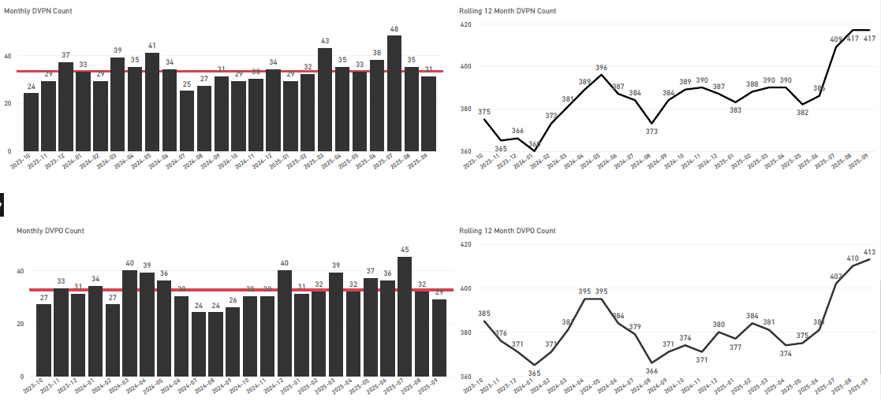

Community Measures

CRIMINAL JUSTICE MEASURES

Home - CJS Dashboard | Rape Review

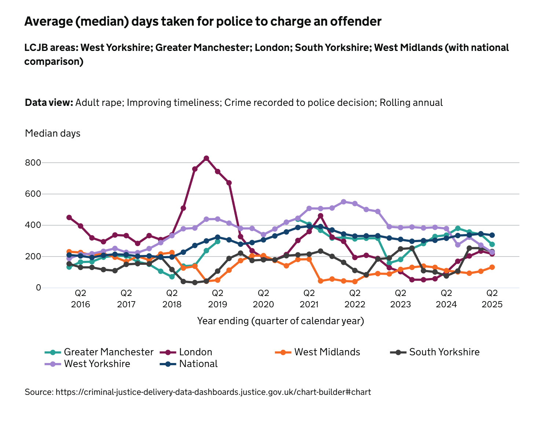

 |  |  |  | The attached charts are from the CJS Dashboards for Rape Offences - the first chart looks at the average number of days taken for the police to charge an offender in victim-based cases. This shows that in 2021-23 West Yorkshire (in purple) was taking the longest of all the similar areas to charge and offender, but this has improved massively and at Q2 is lower than the national average (in blue) and similar to our other areas

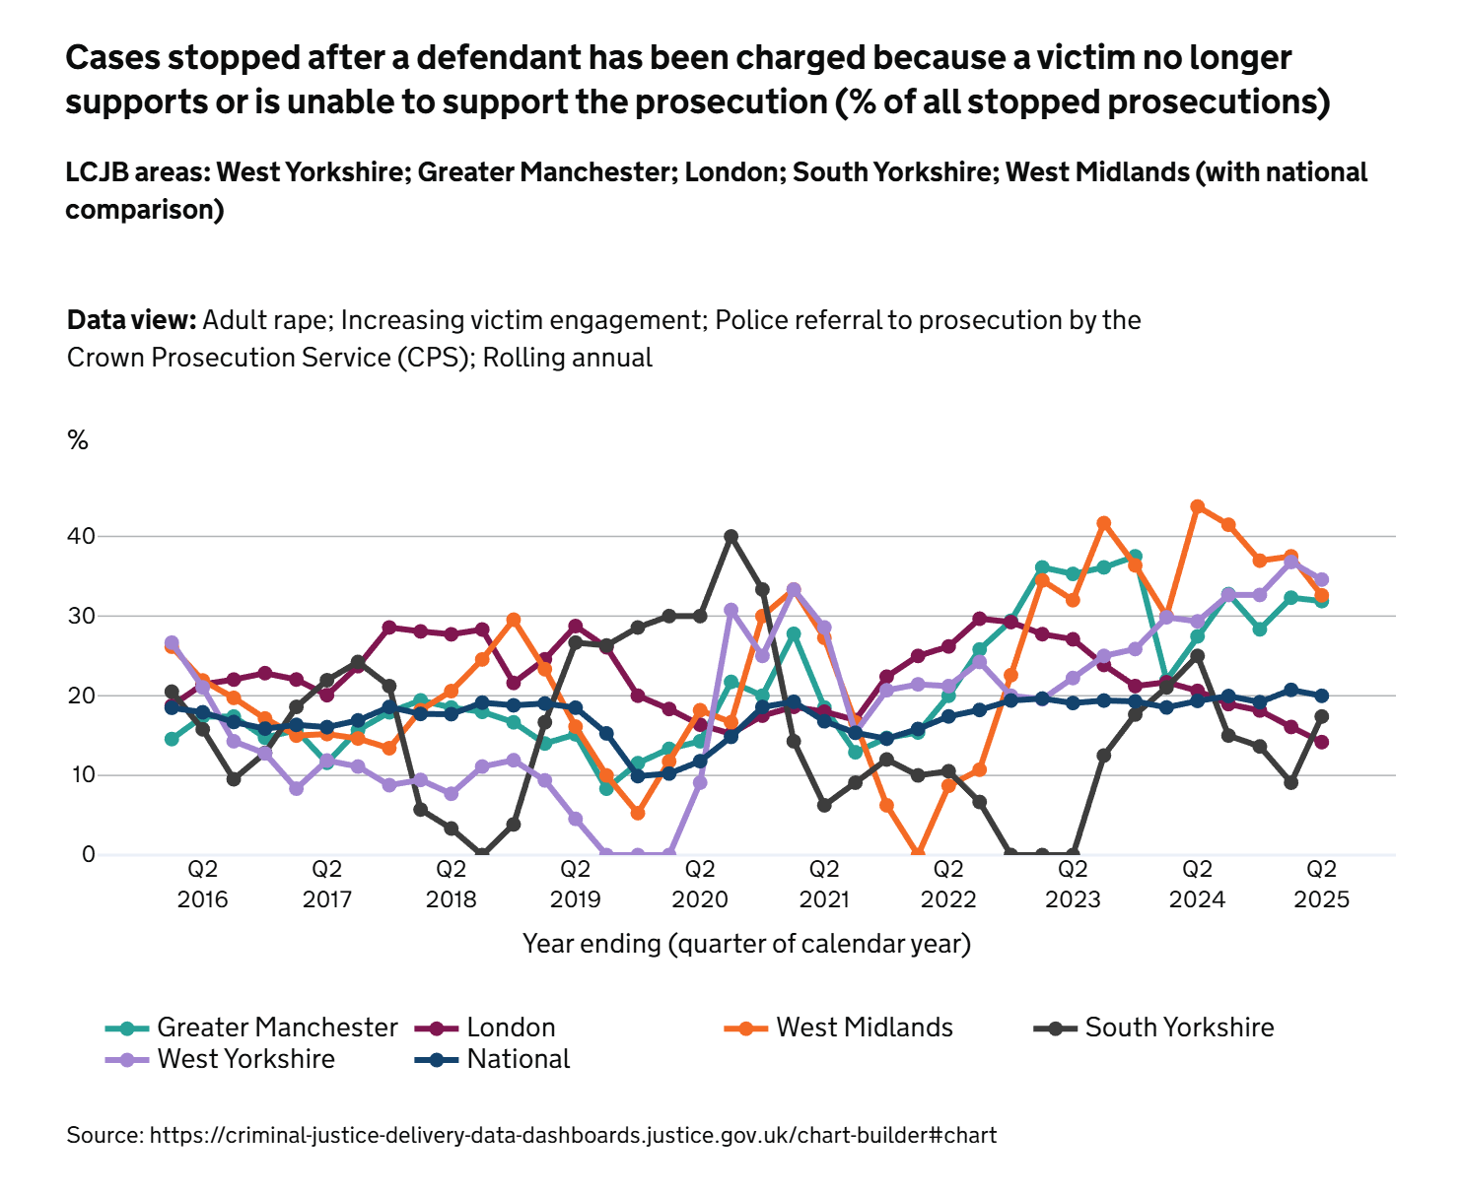

 |  |  |  | One of the areas where West Yorkshire and other areas struggle is with regard to the retention of victims. This chart shows the percentage of victims who no longer support the prosecution and for West Yorkshire this is currently on a rising trend along with other areas. Please note that these charts are built from the chart builder function in the Criminal Data Dashboards site and the colours may change between charts

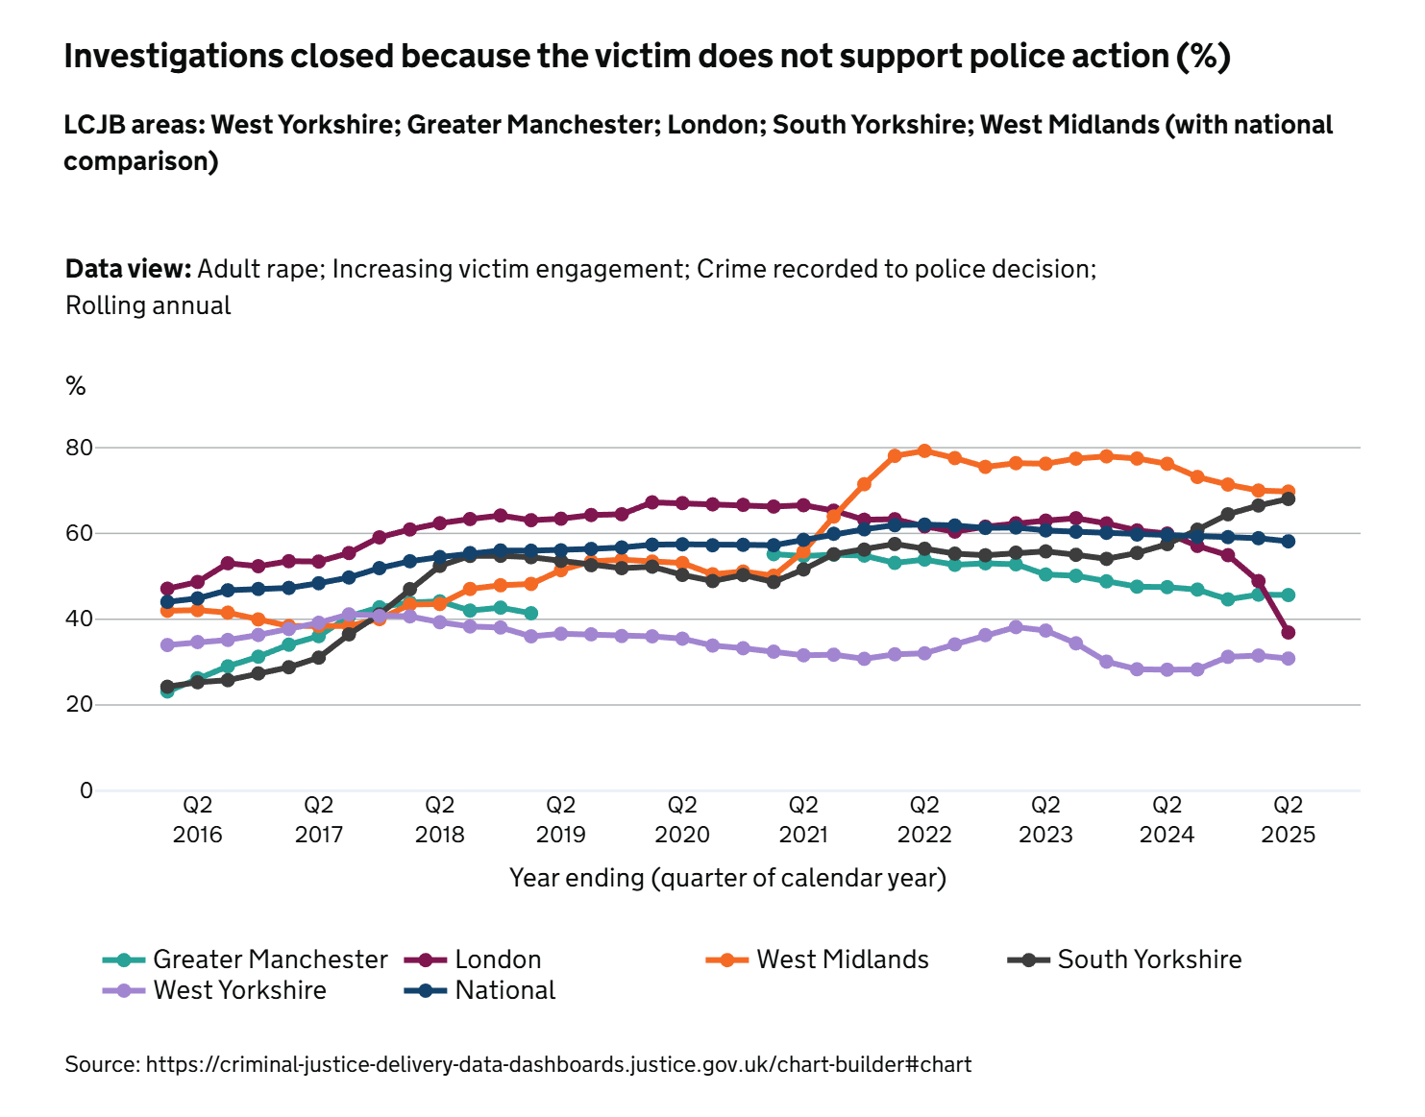

 |  |  |  | One of the areas where West Yorkshire does well is with initial victim engagement. West Yorkshire has the smallest number of cases that are closed due to the victim not supporting the police action. This indicates that the main problem in victim engagement is due to the length of time it takes to get these cases to court - as indicated by the above graph.

EDI
STOP & SEARCH

Of the 9,129 stop and searches conducted between April 2025 and September 2025, 3,086 (33.8%) had a police outcome, and 5,892 (64.54%) had no further action taken. For 151 (1.65%), the outcome was not collected.

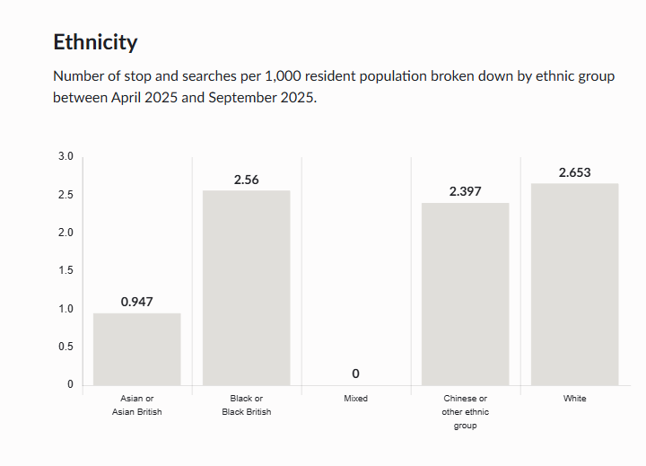
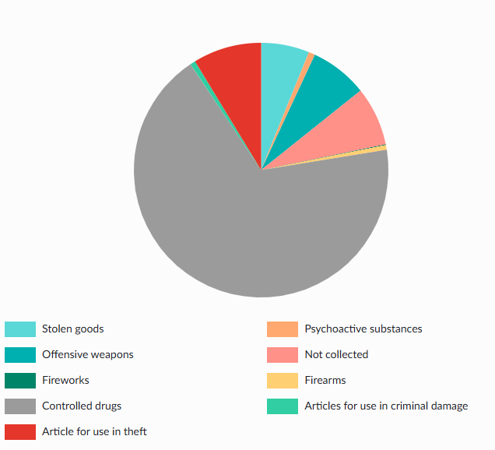
 |  | Object | Percentage of stop and searches grouped by the reason for the stop, between April 2025 and September 2025

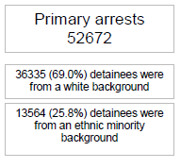

Arrests

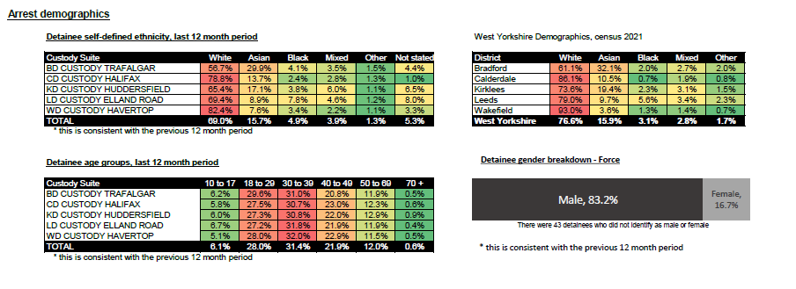

Victim Satisfaction Demographics

• Ethnicity: There is a significant difference between overall satisfaction of White victims (75.7%) and for victims and callers from all other ethnic groups combined (70.2%) leading to a satisfaction gap of 5.5%, compared to 6.5% a year ago. The gap varies from 0.8% at Wakefield to 7.7% at Leeds and stands at 5% at FCMU. • Age: Victims who are over 55 are more satisfied with the service delivered than for those under 55. • Gender: Females are more satisfied (75.7%) with the service they have received than males (72.5%) though satisfaction in males is increasing. • Disability: There is a significant difference between overall satisfaction levels for Victims and callers with a disability compared to those who do not have a disability (69.5% and 74.3% respectively).

Ethnic Minority Workforce Representation

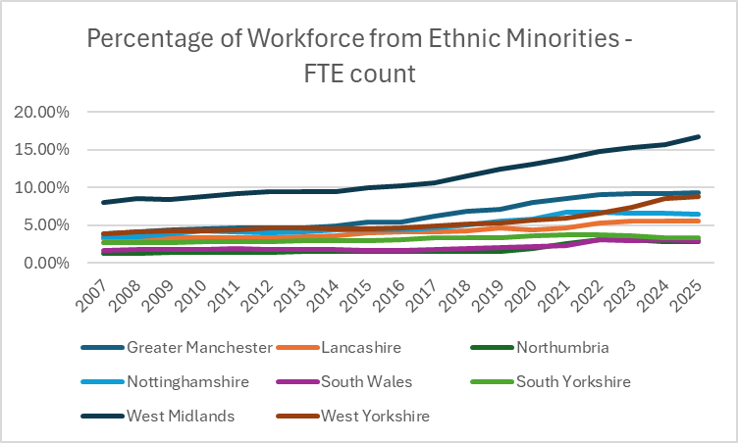

Ethnic Minorities in Senior Ranks in WYP

The latest Police and Crime Plan reports the ‘Percentage of Ethnic Minority Police Officers in Senior Ranks (Inspector and above)’. The latest position for West Yorkshire is shown below with ethnic minority officers accounting for 7.8% of all officers in senior roles (Inspectors and above). The latest MSG average (as at March 2024) is 5.3%.

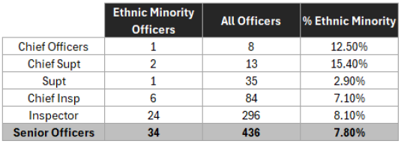
 | Police Force Area | CO | C/Supt | Supt | CI | Insp | Total | Total senior officers | % EM senior officers
 | Greater Manchester | - | 1 | 6 | 13 | 26 | 46 | 671 | 6.9%
 | Lancashire | - | 1 | - | 3 | 9 | 13 | 258 | 5.0%
 | Northumbria | - | - | 1 | - | 5 | 6 | 280 | 2.1%
 | Nottinghamshire | 1 | - | - | 4 | 8 | 13 | 174 | 7.2%
 | South Wales | - | - | - | 2 | 5 | 7 | 327 | 2.1%
 | South Yorkshire | - | - | - | 2 | 3 | 5 | 204 | 2.5%
 | West Midlands | - | - | 4 | 14 | 37 | 55 | 492 | 11.2%
 | West Yorkshire | 1 | 2 | - | 6 | 18 | 27 | 399 | 6.8%

Equality Duty Measures

Equality Information 2023-24

Includes data on:

Stop and Search
Arrests by Nationality, Gender, and Age
Section 136 custody related arrests
Strip Search in Custody
Use of Taser
Domestic violence offences: outcomes and high-risk referrals
Hate Incidents (hate crime and hate non-crimes)
Racist Incidents Victims Satisfaction
Rape Offences
Safeguarding – Missing from Home and Child Protection Case Conferences
Number of Missing Occurrences involving Adults and Children
Requests for interpreters: suspects, victims, and witnesses
Victim Satisfaction
Anti-Social Behaviour Victim Satisfaction
Overall workforce breakdown (officers, staff, special constables)
Workforce Rank and Grade by Ethnicity and Gender
New starters (officers, staff, and special constables)
Workforce Progression
Equal pay and job evaluation
Part time working (officer and staff)
Leavers (officer, staff, and special constables)
Reasons for leaving (officer, staff, and special constables)

Vision Zero
VISION ZERO DATA

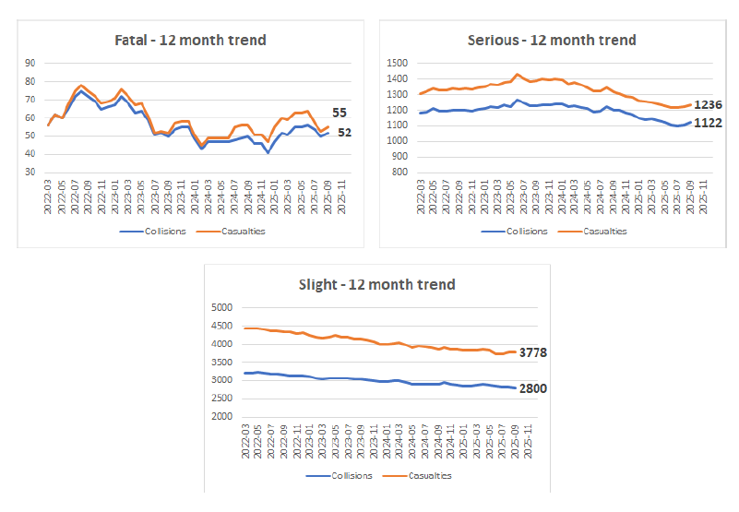

Other data

 | Operation SNAP – Dashcam portal
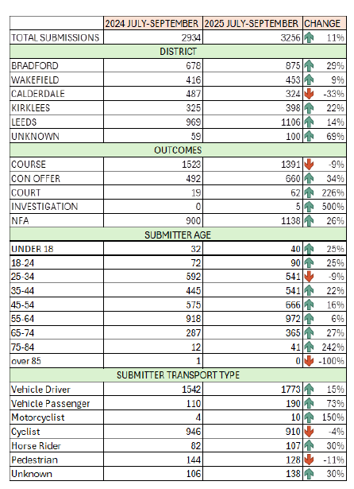
 |  | Submissions for the period July -September 2025 have increased 11% compared to the same period the previous year (3256 compared to 2934).

 |  | 65% of all submissions have resulted in further action being taken following the initial assessment of the available evidence.

 |  | 42.7% submissions resulted in the offer of a driver retraining course.

 |  | 20.2% resulted in a conditional offer of fixed penalty (points and a fine). There has been a general increase severity of offending being submitted with fewer offences being assessed as eligible for an out of court disposal (driver retraining course offer) and more offences being assessed as appropriate for a fixed penalty or consideration by the courts. There has been no change in the evidential assessment threshold, and this change may reflect the media campaign recently focussing on high-risk diver behaviour captured on ‘journey cams’ and encouraging submission of this type of footage.

