Serious Violence Measures
Homicides
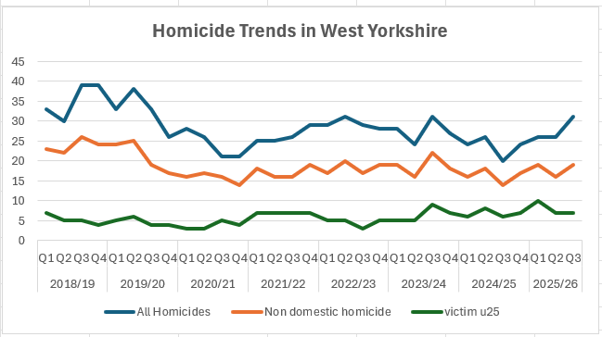
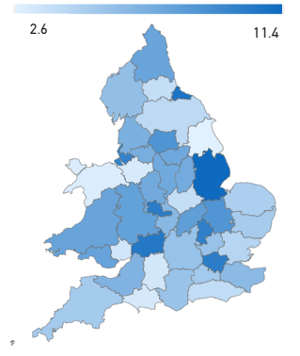
 |  |  | Rate of Homicides per year per million |  | Time period 01/01/24 to 31/12/25
 |  |  | from 01/04/24 - 31/12/25
 |  |  |  |  | Area | per mill pop
 |  |  |  |  | West Yorkshire | 8.6
 |  |  |  |  | Greater Manchester | 7
 |  |  |  |  | West Midlands | 10.2
 |  |  |  |  | South Yorkshire | 7.3

 | After the increases seen in 2018/19 and the subsequent drop during the pandemic West Yorkshire has seen a levelling of homicide numbers although the last quarter has seen an increase in all homicides whilst the picture for victims under 25 remains stable. |  |  | The comparison with other forces shows that other areas have seen a slowdown and we have now gone from being below everyone to above all but the West Midlands

Knife Crime

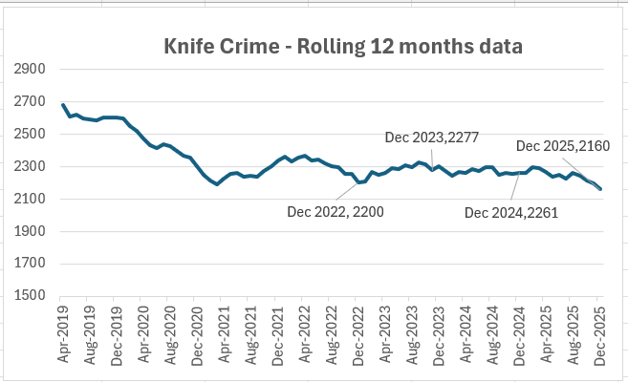

 | The numbers of knife crime offences have decreased with the last 12 months figure showing a -4.5% decrease in comparison to the previous 12 months. |  | The current national figures are up to December 2025 also and West Yorkshir is seeing a 15.4% drop against the baseline of 2019. The only area now seeing an increase is Northumbria.

Hospital Admissions

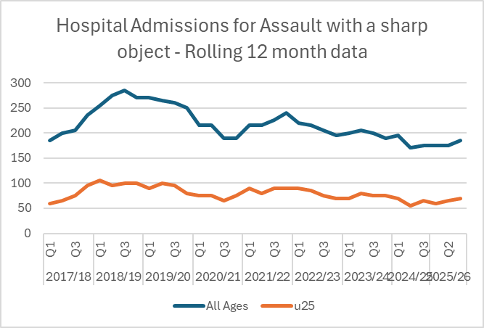
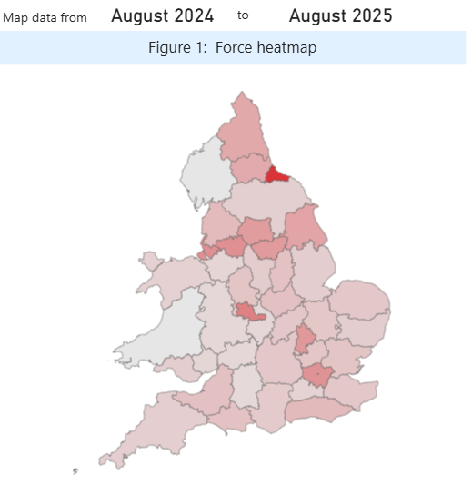
 |  |  |  |  | Knife Crime per million residents

 |  |  |  |  | Area | last 12 months
 |  |  |  |  | West Midlands | 104
 |  |  |  |  | Greater Manchester | 88
 |  |  |  |  | South Yorkshire | 77
 |  |  |  |  | West Yorkshire | 76

 | The latest Hospital Admissions quarterly data is up to the end of August 2025 and shows a slight increase in the rolling 12 months totals | The above map is for all Knifes and Sharp object admissions to hospital and shows the number per million residents

Knife Enabled Robberies

 | This table shows the number of selected serious offences that involved the use of a knife. The % compares the number of each offence type with the overall number of selected serious offences. West Yorkshire has a high number of Robberies involving a knife as can be seen through the table but a lower number of serious assault offences that use a knife - we can see that other areas (such as Lancashire) have a high number of Serious Assault knife offences, but less robbery offences.

Serious Violence Duty

 | Serious Violence strategy Plan on a Page
 | Our Vision – this is the Vision for West Yorkshire and this strategy with contribute to this. Our Plan – the overarching plan is the Police and Crime Plan 2024-28 and this strategy will sit under the Plan and contribute to the delivery of the plan. This Strategy – was part of the Mayor’s manifesto commitments – to consulte with the public of West Yorkshire and ensure this plan reflected their priorities. Our Priorities – these were the public priorities based on all of the consultation and the co-production events with both the public and partners. Our cross cutting themes – these were taken from the specifics that the consultation picked up on for all the priorities. Our enablers – this is the way we not only produce the strategy but also how we deliver the strategy.

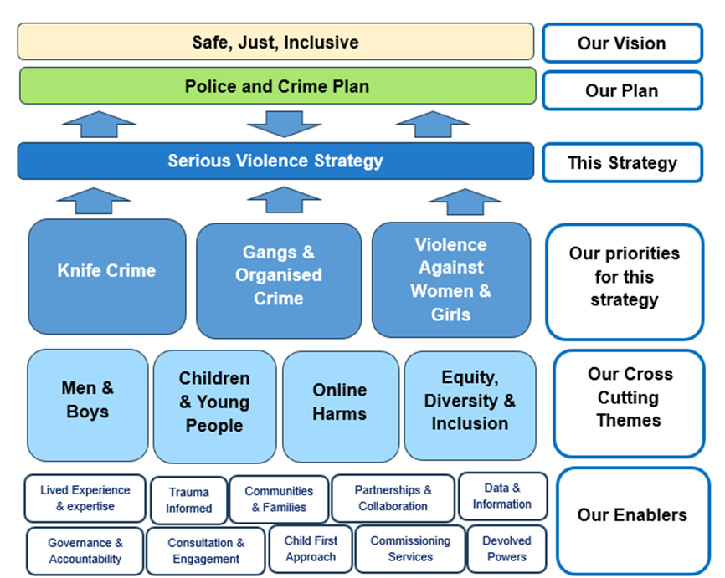

Confidence and Satisfaction
Confidence Measures

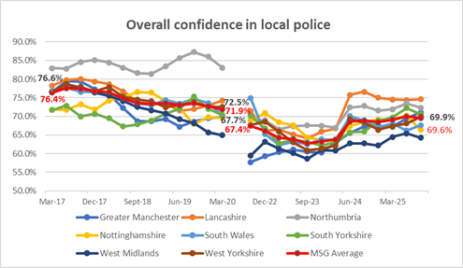
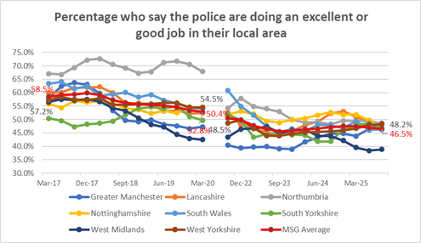

 | The first graph relates to overall confidence in local police and is the measure that is usually quoted from this data. For the first time since June 2024 we have risen above the MSG average – by 0.3%. Since the pandemic the percentage of those who think the police are doing an excellent job in their local area has been below MSG average, apart from the last two quarters where we have now risen above MSG average and are now close to top for this measure
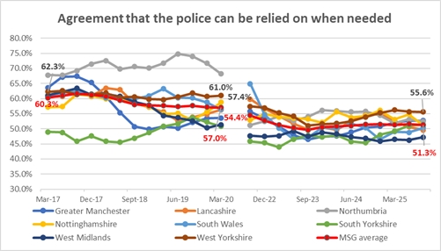
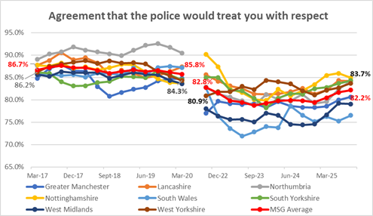

Agreement that the police can be relied on when needed has currently stabilised after an increasing trend with West Yorkshire still highest and well above MSG average. One area where we previously have had high confidence is in the agreement that the police would treat you with respect, this had been on a decreasing trend, but recent increases are continuing along with the other areas and is still well above MSG average.

Victim Satisfaction

73% of the 10,116 victims interviewed in the 12 months to December 2025 were satisfied with the overall service received. |  | 9 in 10 people are satisfied with the Ease of Contact, Ability of the Call Taker, and CSI Investigation and Treatment.

Calls for Service

The Force continues report excellent call handling times for Emergency callers with 999 calls answered on average in just 5.3 seconds over the past quarter which is the 11th fastest in the country (using National performance data which is impacted by BT transfer times). In the latest quarter the Force answered just 0.2% of 999s in over 60 seconds (6th best nationally) and answered 93.3% of 999s in under 10 seconds (12th best nationally).

Attendance and Response to Incidents

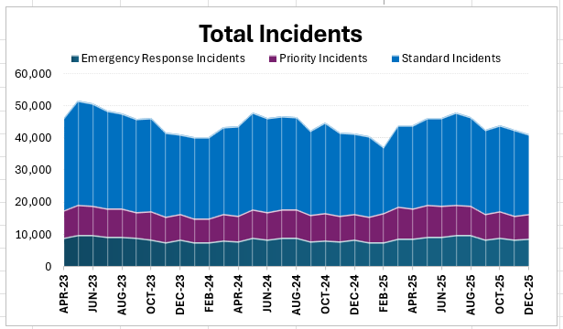

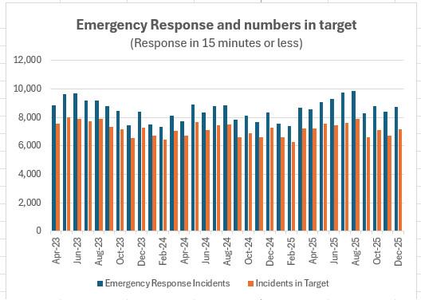
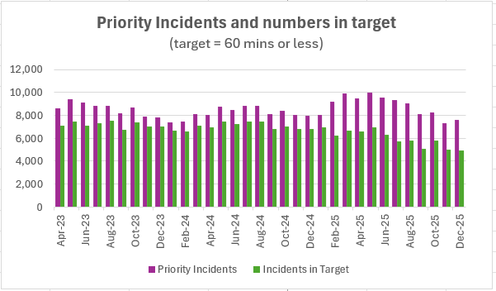

In the 12 months to December 2025 81.8% of the incidents were attended in the target time compared to 86.1%% the previous 12 months |  | In the same time period 68% of Priority incidents were attended in the target time compared to 85.7% the previous 12 months.

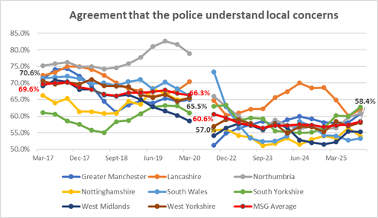
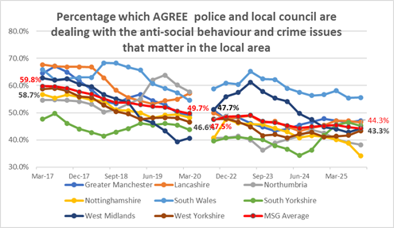

The percentage of the public that agree that the police understand local concerns is now the same as the MSG average although less agree that they deal with these concerns. For those that agree that the police and local council are dealing with these matters, West Yorkshire is still below MSG average, but on a rising trend.

Other Confidence Measures
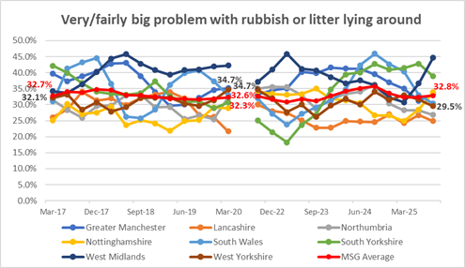
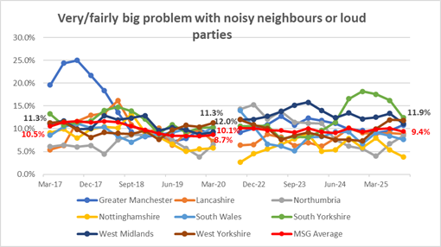

 |  |  | `

 | Litter has traditionally been a council matter and West Yorkshire currently below MSG average, Problems with noisy neighbours or loud parties was declining in West Yorkshire after being top of the pile pre-pandemic. West Yorkshire is seeing an increase currently and is above MSG average.
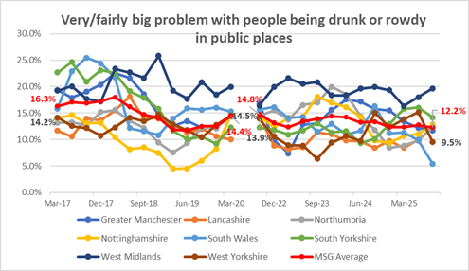
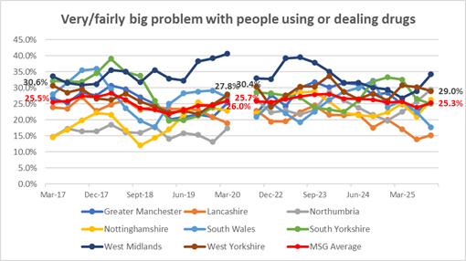

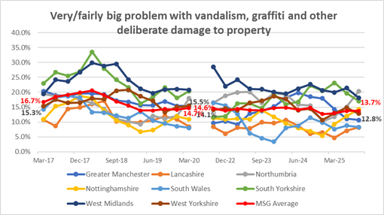
For people being drunk or rowdy in public places WYP did have the lowest figure in Sept 23 but the numbers are quite volatile and decreases in the last quarter bring us below MSG average.. The problem with people using or dealing drugs had been stable but recently increased and is above MSG average.
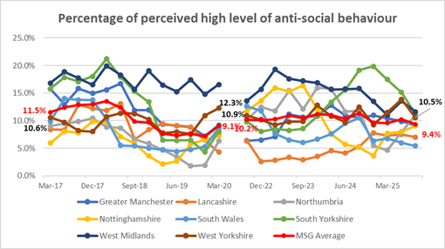

The above graph looks at problems with criminal damage including vandalism and graffiti. West Yorkshire was on an increasing trend but a drop in the last quarter puts it below MSG average |  | The above graph looks at residents who feel that ASB is either a very or fairly big problem in their area. This is a newer data set and West Yorkshire has seen another increase in the last quarter and is over 1% above the MSG average.

Crimes and ASB
Total Crime

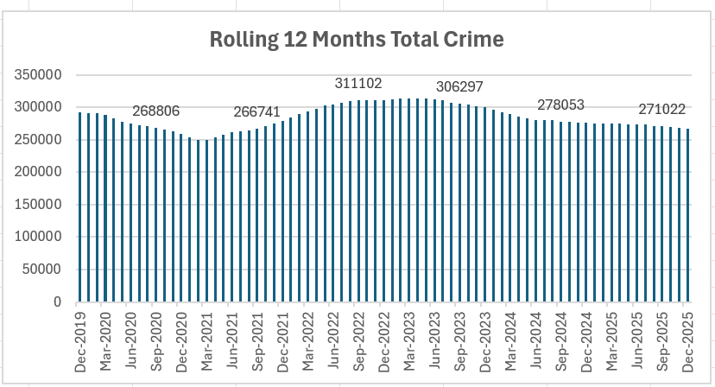

Total Crime is continuing to decline in comparison to the 12 months before and is now below the baseline before the pandemic in December 2019. |  |  | When comparing with other forces, West Yorkshire still has a high number of crime recorded due to the outstanding rating for Crime Data Integrity, but the pattern of increases and decreases matches other areas which indicates a national change rather than local.

 | The above table looks at the percentage of crime for each category and compares this with our most similar forces. Please note that the bold text shows the category groups with the breakdown for these groups underneath.

 |  |  |  | Force | Per 100,000 pop
 |  |  |  |  | Baseline (Jan 2019 – Dec 2019) | Last 12 months (to Apr 25) | % change
 |  |  |  | Greater Manchester | 2166 | 1057 | -51.2%
 |  |  |  | Nottinghamshire | 1427 | 816 | -42.8%
 |  |  |  | Lancashire | 1231 | 755 | -38.6%
 |  |  |  | West Yorkshire | 1894 | 1260 | -33.6%
 |  |  |  | South Wales | 986 | 658 | -33.2%
 |  |  |  | South Yorkshire | 1909 | 1350 | -29.3%
 |  |  |  | West Midlands | 2042 | 1479 | -27.6%
 |  |  |  | Northumbria | 1026 | 810 | -21.1%
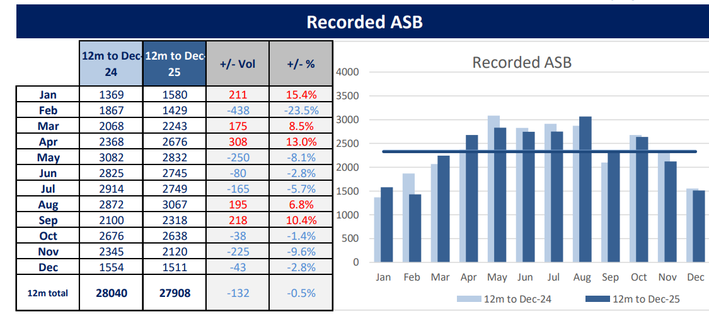

 |  | After a period of change, ASB incidents are now stable and comparable with the previous years. As well as incidents it is right to look also at crimes linked to ASB and the chart to the left shows the changes in these offences, with numbers rising up to the middle of 2023 then on a downward trend until recently when numbers have levelled out. This pattern is the same as the overall crime pattern above and points to this as a change in recording or something similar rather than an actual change in crime patterns. Stalking and Harassment has levelled off whilst arson, criminal damage and public order are all on a decreasing trend.

Community Measures

Winter of Action' Initiative

Retail Crime
Across our town centres focussed on across the winter of action we have seen the following compared to the same time last year: A 17% reduction in theft from shop A 7% increase in arrest rate for theft from shop In December we saw a 18% increase in outcomes for theft from shop (January data is lower but there are investigations still underway) Due to the recent introduction of robbery of business property the comparison data is still developing. Our main two cities led the way on the above with a 14% reduction in theft from shop offences and 13% increase in arrests in Leeds, and a 12% reduction in theft from shop offences and a 4% increase in arrests in Bradford. We monitor community engagement with business owners and through the WoA we conducted 573 hours of engagement activity with business owners, specifically talking about retail crime. Retail crime was mapped with violent crime and ASB and then targeted with 1680 hours of high visibility foot patrol in the areas detailed in the WoA funded through the Hot Spot Action Fund. This activity was also supported by our routine activity from that fund and the Hyper Local Fund.

ASB and Street Crime
Across our town centres focussed on across the winter of action we have seen the following compared to the same time last year: A 26% reduction in robbery of personal property and a7% increase in arrest rate, maintaining the same outcome rate A 27% reduction in theft from the person offences and a 1% increase in arrest rate, maintaining the same outcome rate A huge increase in the use of ASB powers: 35 powers were used last year, 138 powers were used in the Winter of Action Our three cities have led the way on the above: Leeds had a 16% reduction in robbery and 6% increase in arrests, and a 27% reduction in theft from person and a 6% increase in arrests Bradford had a 52% reduction in robbery and a 20% increase in arrests, and a 23% reduction in theft from the person and a 50% increase in arrests. Wakefield had an 18% reduction in robbery offences and a 8% increase in arrests, and a 60% reduction in theft from the person offences and a 14% increase in arrests The increase in officer foot patrols has seen an increase in ASB incidents of 13% as the public find new confidence in reporting issues to the police, and we have seen an increase of 3% in ASB proxy offences recorded – largely due to more arrests for possession of controlled drugs following stop and search. Over 4,500 hours of high visibility patrols were tasked into our WoA areas over and above business as usual. Our community engagement monitoring showed that we conducted around 500 hours of engagement work focussing on violence against women and girls and over 750 hours of engagement work on anti-social behaviour (including vehicle anti-social behaviour).

Supporting Victims
Overall VAWG Offences
VAWG offences include all offences in the following categories Rape - Other sexual Offences - Stalking and Harassment

 | Total VAWG offences
 | Force | Baseline | Last 12 mths | Difference | % change
 | Nottinghamshire | 1122 | 1197 | 75 | 6.7%
 | Lancashire | 1328 | 1432 | 104 | 7.8%
 | Northumbria | 1319 | 1449 | 130 | 9.8%
 | South Yorkshire | 1494 | 1727 | 233 | 15.6%
 | South Wales | 1350 | 1581 | 231 | 17.1%
 | West Yorkshire | 1889 | 2381 | 492 | 26.0%
 | West Midlands | 942 | 1527 | 585 | 62.1%
 | Greater Manchester | 1091 | 1866 | 775 | 71.0%

Rape Offences
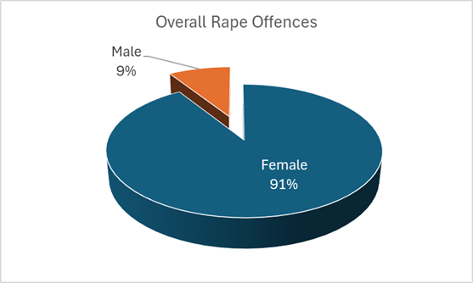

Stalking and Harassment

Domestic Abuse

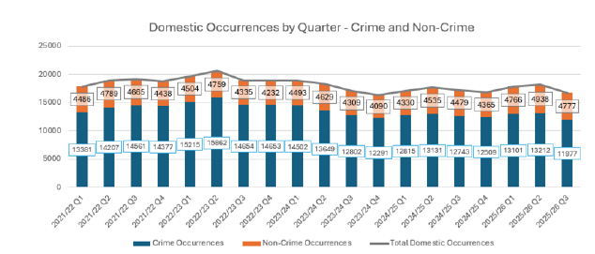

Mental Health Incidents
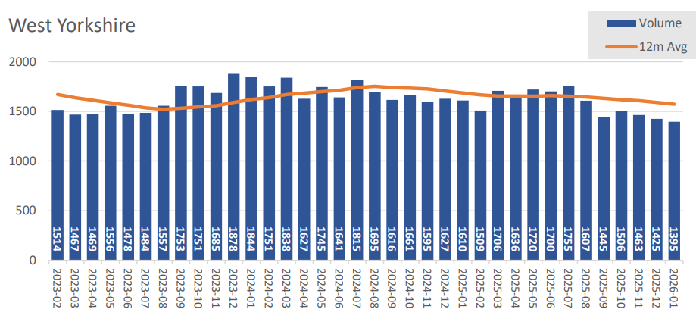

Hate Crime
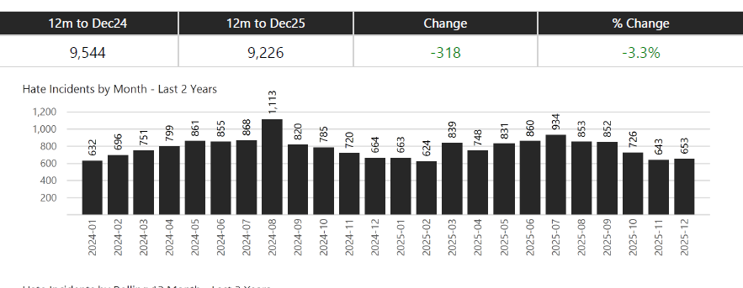

Missing Persons

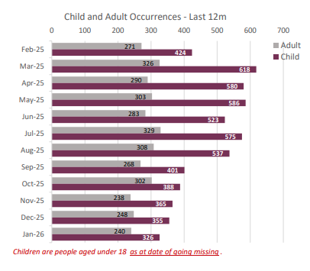
Missing Persons over time
 | Children | Adult
43617 | 911 | 552
43647 | 1009 | 554
43678 | 765 | 456
43709 | 941 | 517
43739 | 931 | 450
43770 | 724 | 418
43800 | 678 | 403
43831 | 788 | 425
43862 | 638 | 365
43891 | 664 | 365
43922 | 459 | 292
43952 | 549 | 332
43983 | 521 | 349
44013 | 510 | 362
44044 | 515 | 375
44075 | 570 | 369
44105 | 592 | 360
44136 | 573 | 296
44166 | 496 | 304
44197 | 509 | 315
44228 | 386 | 281
44256 | 542 | 346
44287 | 544 | 385
44317 | 631 | 332
44348 | 715 | 317
44378 | 654 | 338
44409 | 528 | 335
44440 | 661 | 349
44470 | 722 | 331
44501 | 633 | 315
44531 | 547 | 346
44562 | 583 | 360
44593 | 483 | 323
44621 | 645 | 304
44652 | 553 | 301
44682 | 616 | 327
44713 | 613 | 306
44743 | 563 | 358
44774 | 466 | 334
44805 | 504 | 321
44835 | 680 | 308
44866 | 571 | 299
44896 | 448 | 273
44927 | 625 | 268
44958 | 600 | 269
44986 | 706 | 296
45017 | 631 | 283
45047 | 759 | 325
45078 | 705 | 327
45108 | 603 | 268
...

Community Measures

Sentencing Act receives Royal Assent
The Sentencing Act has now received Royal Assent, introducing major reforms aimed at keeping dangerous offenders in custody for longer while strengthening community based punishments for lower level crime. The legislation ends automatic early release for prisoners who behave badly in custody and is designed to break the cycle of repeat offending by ensuring that those released from prison face tougher, better supervised community restrictions. It forms part of the government’s wider plan to stabilise a prison system described as being “on the brink of collapse,” while ensuring that sufficient prison places are available in future.

The Act is supported by a significant investment programme to rebuild and modernise the probation service, with funding expected to rise by up to £700 million over the coming years. It also expands the use of electronic tagging and introduces new restriction zones to better protect victims. Crucially, the reforms maintain current release rules for the most serious offenders—those serving life sentences, Imprisonment for Public Protection (IPP), or extended determinate sentences—ensuring they will not be released any earlier than under existing law. The government states that the Act is central to its strategy to cut reoffending, protect the public, and restore confidence in the justice system. Read more detail here: https://www.gov.uk/government/news/sentencing-act-ensuring-punishment-cuts-crime-gets-royal-assent

Drug and Alcohol Treatment Services
For this iteration we are looking at the cumulative position with regard to deaths due to drug poisoning per 1000 population

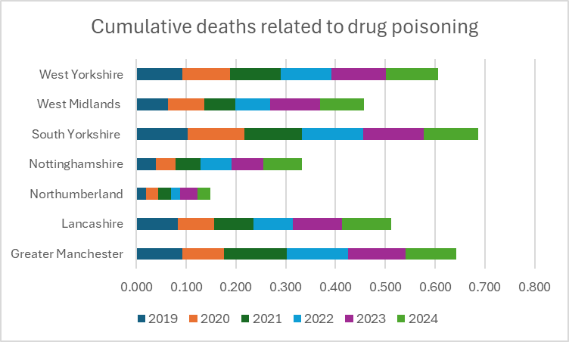

The above table is showing full year figures

Investigations
VAWG Positive Outcomes

 |  | Data to March 2025
 |  | Force | Other Sexual Offences | Rape | Stalking and Harassment
 |  | Greater Manchester | 14.1% | 9.9% | 8.7%
 |  | Lancashire | 20.8% | 9.8% | 23.1%
 |  | Northumbria | 14.1% | 7.7% | 13.6%
 |  | Nottinghamshire | 16.7% | 9.2% | 11.9%
 |  | South Wales | 15.8% | 12.1% | 11.1%
 |  | South Yorkshire | 9.8% | 9.2% | 9.0%
 |  | West Midlands | 9.4% | 5.6% | 6.9%
 |  | West Yorkshire | 11.9% | 9.7% | 5.0%

 |  | Police recorded crime and outcomes open data tables - GOV.UK
 |  | to be updated annualy

 |  | A comprehensive look at Domestic Abuse figures is completed by ONS in November every year - this looks at each force area and all facets of Domestic abuse. The most recent data is available at
 |  | National Domestic Abuse Figures to Nov25

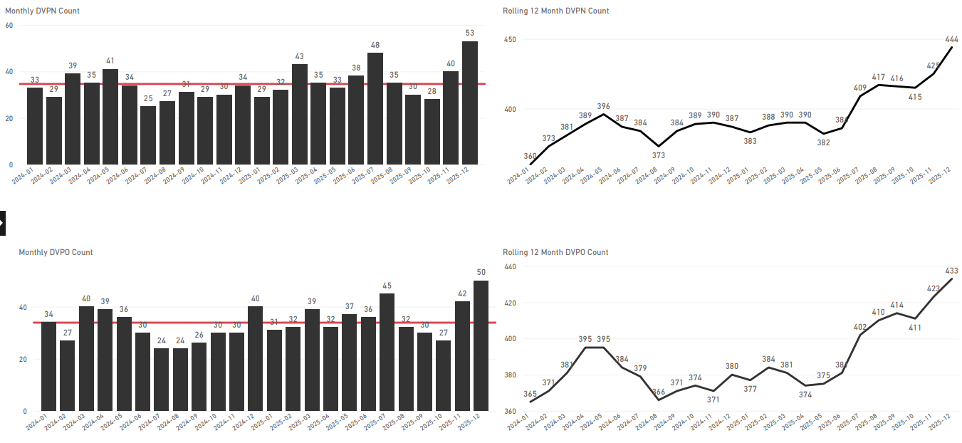

Community Measures

CRIMINAL JUSTICE MEASURES

Home - CJS Dashboard | All Crime Review

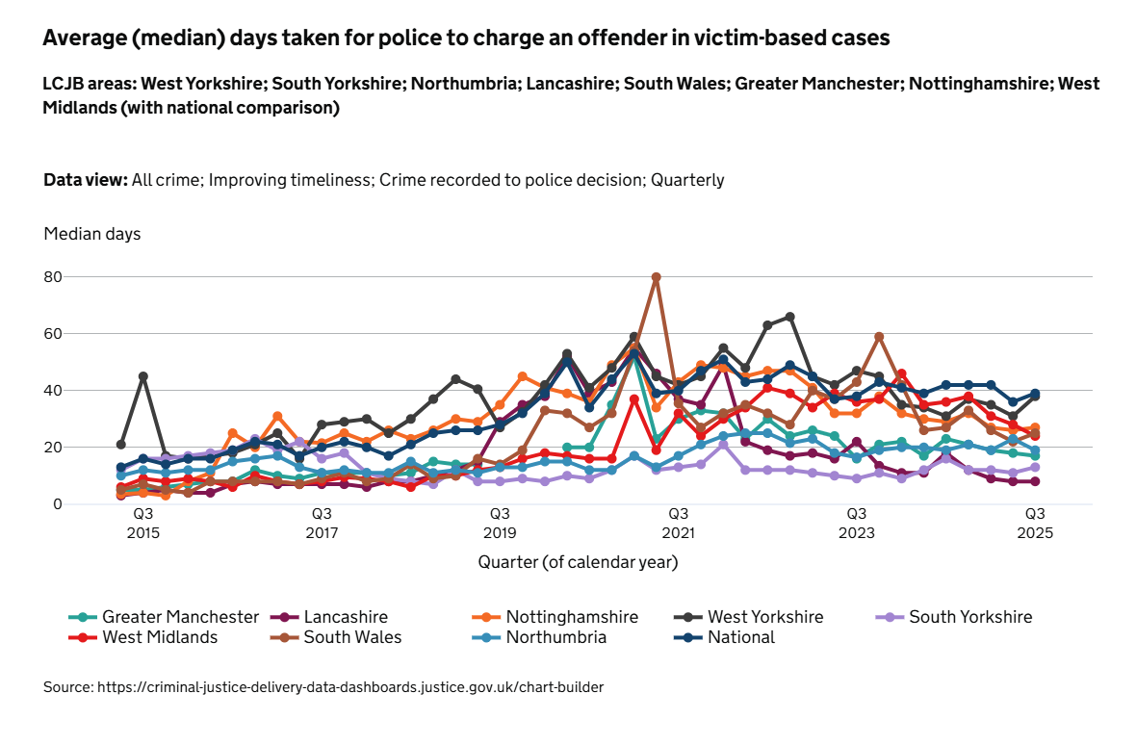

 |  |  |  | The attached charts are from the CJS Dashboards for All Crime - the first chart looks at the average number of days taken for the police to charge an offender in victim-based cases.The current number of median days taken for police to change an offender in victim-based cases in West Yorkshire stands at 38 days which is slightly below the national number which stands at 39 days. However, West Yorkshire takes the longest to charge offenders for this case type when compared to other MSG forces.

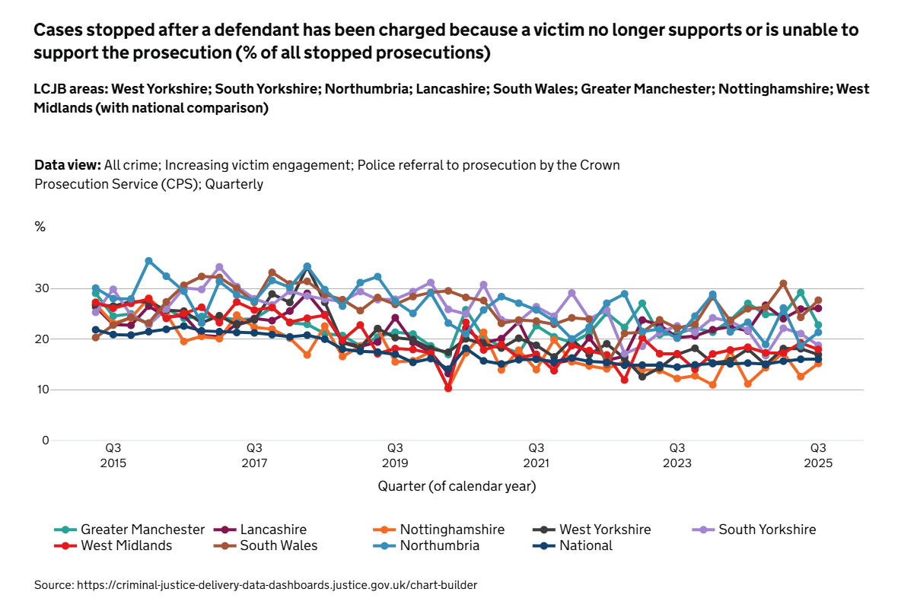

 |  |  |  | This chart shows the percentage of cases stopped after a defendant has been charged because of lack of support from a victim. West Yorkshire has one of the lowest stopped prosecution rates in the MSG standing at 17%. For comparison, the South Wales number stands at 28%. However, this is 1% higher than the national rate. Please note that these charts are built from the chart builder function in the Criminal Data Dashboards site and the colours may change between charts

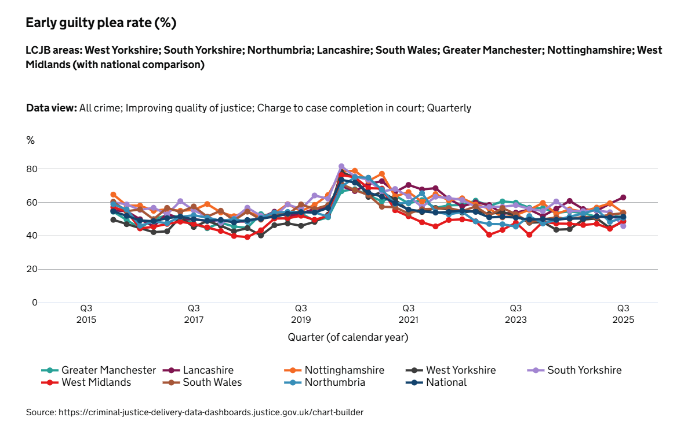

 |  |  |  | One of the areas where West Yorkshire struggles is in the early guilty plea rate. This has been a problem that the LCJB is grappling with and looking at the data from the various courts to understand why this is the case. We are sitting at the bottom end of the MSG at 49% alongside West Midlands (49%) and South Yorkshire (46%). The national percentage stands at 52% and this is an area we will be looking to improve.

EDI
STOP & SEARCH

Of the 10,272 stop and searches conducted between July 2025 and December 2025, 3,401 (33.11%) had a police outcome, and 6,761 (65.82%) had no further action taken. For 110 (1.07%), the outcome was not collected.

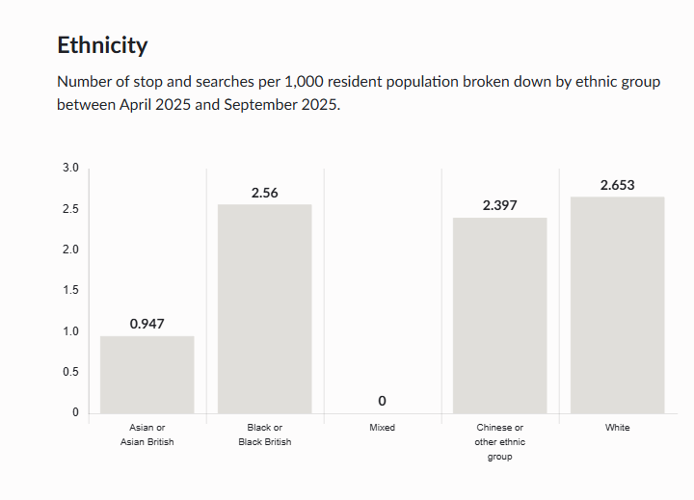
 |  | Object | Percentage of stop and searches grouped by the reason for the stop, between July 2025 and December 2025.
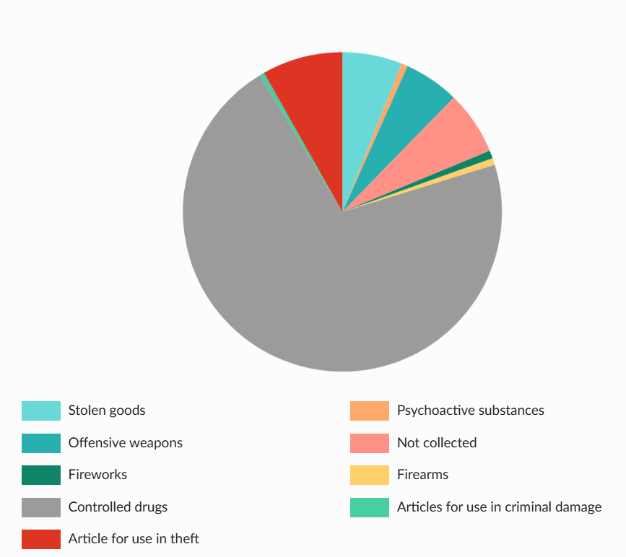

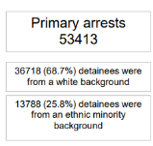
Arrests
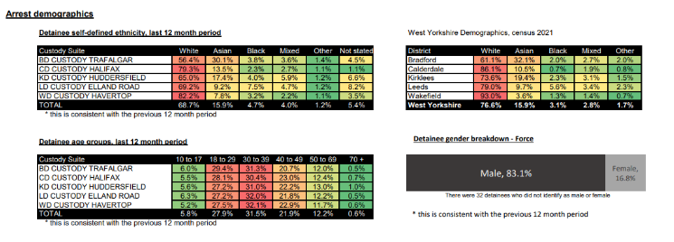

Victim Satisfaction Demographics

In relation to overall satisfaction, the latest figures for the 12 months to December 2025 report the satisfaction rating for White victims at 75.1% (a reduction of 0.5% in the past 12 months) whilst the satisfaction rating for Ethnic Minority victims is reported at 69.5% (an improvement of 0.4% in the past 12 months). Satisfaction rates for both White and Ethnic Minority victims are statistically stable.

Ethnic Minority Workforce Representation

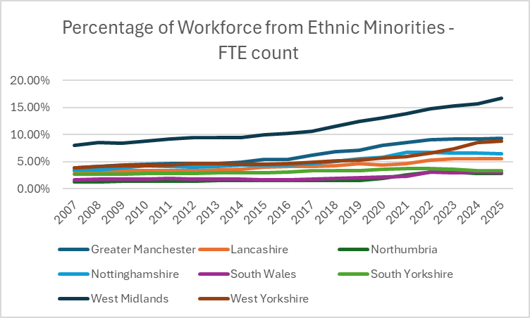

Ethnic Minorities in Senior Ranks in WYP

The latest Police and Crime Plan reports the ‘Percentage of Ethnic Minority Police Officers in Senior Ranks (Inspector and above)’. The latest position for West Yorkshire is shown below with ethnic minority officers accounting for 7.8% of all officers in senior roles (Inspectors and above). The latest MSG average (as at March 2024) is 5.3%.

 | Police Force Area | CO | C/Supt | Supt | CI | Insp | Total | Total senior officers | % EM senior officers
 | Greater Manchester | - | 1 | 6 | 13 | 26 | 46 | 671 | 6.9%
 | Lancashire | - | 1 | - | 3 | 9 | 13 | 258 | 5.0%
 | Northumbria | - | - | 1 | - | 5 | 6 | 280 | 2.1%
 | Nottinghamshire | 1 | - | - | 4 | 8 | 13 | 174 | 7.2%
 | South Wales | - | - | - | 2 | 5 | 7 | 327 | 2.1%
 | South Yorkshire | - | - | - | 2 | 3 | 5 | 204 | 2.5%
 | West Midlands | - | - | 4 | 14 | 37 | 55 | 492 | 11.2%
 | West Yorkshire | 1 | 2 | - | 6 | 18 | 27 | 399 | 6.8%

Equality Duty Measures

Equality Information 2023-24

Includes data on:

Stop and Search
Arrests by Nationality, Gender, and Age
Section 136 custody related arrests
Strip Search in Custody
Use of Taser
Domestic violence offences: outcomes and high-risk referrals
Hate Incidents (hate crime and hate non-crimes)
Racist Incidents Victims Satisfaction
Rape Offences
Safeguarding – Missing from Home and Child Protection Case Conferences
Number of Missing Occurrences involving Adults and Children
Requests for interpreters: suspects, victims, and witnesses
Victim Satisfaction
Anti-Social Behaviour Victim Satisfaction
Overall workforce breakdown (officers, staff, special constables)
...

Vision Zero
VISION ZERO DATA
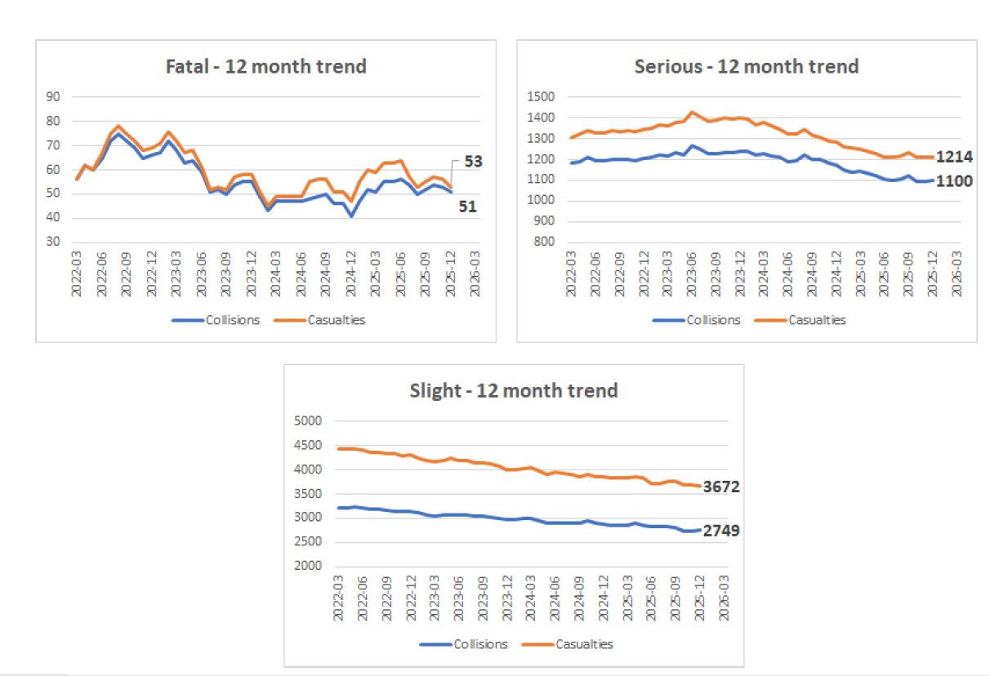

Other data

 | Operation SNAP – Dashcam portal
 |  | Operation SNAP relates to the service provided to the public to facilitate the uploading of digital media footage (e.g. Dashcam clips) showing driving offences. This material is received, assessed, and processed by the Prosecutions and Casualty Prevention Unit.

 |  | Submissions for the period October to December 2025 have increased 2.4% compared to the same period the previous year (2457 compared to 2400) and 7.9% April to December compared to 2024 (8828 compared to 8182).
 |  | 65.9% of all submissions have resulted in further action being taken following the initialassessment of the available evidence.
 |  | 48.6% submissions resulted in the offer of a driver retraining course
 |  | 16% resulted in a conditional offer of fixed penalty (points and a fine).

